1.4-2.6-10.6
contactSimulation.js:4162 exit covidSim
contactSimulation.js:23 getAsText File {name: "HundredAgentsU0mF1.csv", lastModified: 1608077990000, lastModifiedDate: Tue Dec 15 2020 16:19:50 GMT-0800 (Pacific Standard Time), webkitRelativePath: "", size: 2140, …}
contactSimulation.js:32 File {name: "HundredAgentsU0mF1.csv", lastModified: 1608077990000, lastModifiedDate: Tue Dec 15 2020 16:19:50 GMT-0800 (Pacific Standard Time), webkitRelativePath: "", size: 2140, …}
contactSimulation.js:23 getAsText File {name: "VL1.-2.9D.csv", lastModified: 1608491880000, lastModifiedDate: Sun Dec 20 2020 11:18:00 GMT-0800 (Pacific Standard Time), webkitRelativePath: "", size: 65, …}
contactSimulation.js:32 File {name: "VL1.-2.9D.csv", lastModified: 1608491880000, lastModifiedDate: Sun Dec 20 2020 11:18:00 GMT-0800 (Pacific Standard Time), webkitRelativePath: "", size: 65, …}
contactSimulation.js:2000 1I j:famKey 38:-1 infected by red i:famKey 5:-1 at gen 19 in Univ0
contactSimulation.js:2000 2I j:famKey 65:-1 infected by red i:famKey 5:-1 at gen 34 in Univ0
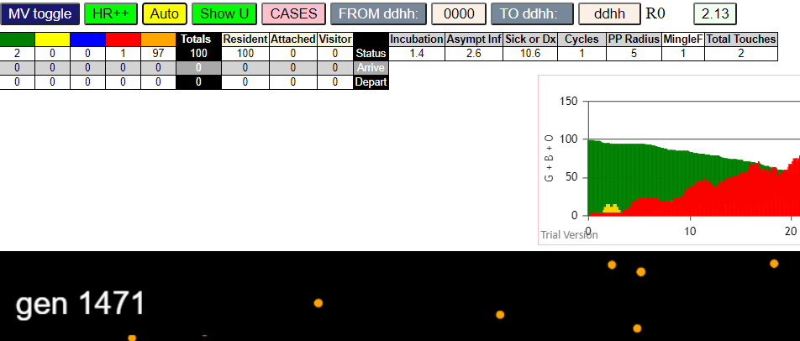
contactSimulation.js:2000 3I j:famKey 64:-1 infected by red i:famKey 5:-1 at gen 37 in Univ0
contactSimulation.js:2016 4I i:famKey 3:-1 infected by red j:famKey 5:-1 at gen 40 in U0
contactSimulation.js:2000 5I j:famKey 21:-1 infected by red i:famKey 5:-1 at gen 57 in Univ0
contactSimulation.js:2016 6I i:famKey 23:-1 infected by red j:famKey 64:-1 at gen 140 in U0
contactSimulation.js:2000 7I j:famKey 76:-1 infected by red i:famKey 64:-1 at gen 155 in Univ0
contactSimulation.js:2000 8I j:famKey 55:-1 infected by red i:famKey 3:-1 at gen 163 in Univ0
contactSimulation.js:2000 9I j:famKey 61:-1 infected by red i:famKey 38:-1 at gen 169 in Univ0
contactSimulation.js:2016 10I i:famKey 15:-1 infected by red j:famKey 65:-1 at gen 176 in U0
contactSimulation.js:2016 11I i:famKey 7:-1 infected by red j:famKey 65:-1 at gen 184 in U0
contactSimulation.js:2000 12I j:famKey 51:-1 infected by red i:famKey 21:-1 at gen 192 in Univ0
contactSimulation.js:2000 12I j:famKey 37:-1 infected by red i:famKey 3:-1 at gen 193 in Univ0
contactSimulation.js:2000 14I j:famKey 13:-1 infected by red i:famKey 3:-1 at gen 211 in Univ0
contactSimulation.js:2016 15I i:famKey 16:-1 infected by red j:famKey 21:-1 at gen 242 in U0
contactSimulation.js:2016 16I i:famKey 1:-1 infected by red j:famKey 64:-1 at gen 246 in U0
contactSimulation.js:2016 17I i:famKey 45:-1 infected by red j:famKey 76:-1 at gen 254 in U0
contactSimulation.js:2016 18I i:famKey 46:-1 infected by red j:famKey 51:-1 at gen 265 in U0
contactSimulation.js:2000 19I j:famKey 68:-1 infected by red i:famKey 21:-1 at gen 281 in Univ0
contactSimulation.js:2000 20I j:famKey 54:-1 infected by red i:famKey 37:-1 at gen 293 in Univ0
contactSimulation.js:2000 21I j:famKey 99:-1 infected by red i:famKey 76:-1 at gen 316 in Univ0
contactSimulation.js:2016 22I i:famKey 63:-1 infected by red j:famKey 76:-1 at gen 318 in U0
contactSimulation.js:2000 23I j:famKey 18:-1 infected by red i:famKey 13:-1 at gen 321 in Univ0
contactSimulation.js:2000 24I j:famKey 95:-1 infected by red i:famKey 23:-1 at gen 327 in Univ0
contactSimulation.js:2000 25I j:famKey 49:-1 infected by red i:famKey 13:-1 at gen 337 in Univ0
contactSimulation.js:2016 26I i:famKey 11:-1 infected by red j:famKey 61:-1 at gen 358 in U0
contactSimulation.js:2000 27I j:famKey 66:-1 infected by red i:famKey 13:-1 at gen 371 in Univ0
contactSimulation.js:2000 27I j:famKey 79:-1 infected by red i:famKey 61:-1 at gen 372 in Univ0
contactSimulation.js:2000 29I j:famKey 96:-1 infected by red i:famKey 13:-1 at gen 389 in Univ0
contactSimulation.js:2016 30I i:famKey 41:-1 infected by red j:famKey 68:-1 at gen 401 in U0
contactSimulation.js:2000 31I j:famKey 73:-1 infected by red i:famKey 13:-1 at gen 412 in Univ0
contactSimulation.js:2000 32I j:famKey 26:-1 infected by red i:famKey 13:-1 at gen 414 in Univ0
contactSimulation.js:2000 33I j:famKey 44:-1 infected by red i:famKey 18:-1 at gen 419 in Univ0
contactSimulation.js:2016 34I i:famKey 28:-1 infected by red j:famKey 99:-1 at gen 423 in U0
contactSimulation.js:2000 35I j:famKey 60:-1 infected by red i:famKey 49:-1 at gen 433 in Univ0
contactSimulation.js:2016 36I i:famKey 24:-1 infected by red j:famKey 68:-1 at gen 437 in U0
contactSimulation.js:2000 36I j:famKey 53:-1 infected by red i:famKey 18:-1 at gen 438 in Univ0
contactSimulation.js:2016 38I i:famKey 97:-1 infected by red j:famKey 99:-1 at gen 452 in U0
contactSimulation.js:2016 38I i:famKey 78:-1 infected by yellow j:famKey 97:-1 at gen 453 in U0
contactSimulation.js:2016 40I i:famKey 6:-1 infected by red j:famKey 99:-1 at gen 466 in U0
contactSimulation.js:2016 41I i:famKey 56:-1 infected by red j:famKey 68:-1 at gen 471 in U0
contactSimulation.js:2016 42I i:famKey 25:-1 infected by red j:famKey 96:-1 at gen 474 in U0
contactSimulation.js:2016 43I i:famKey 34:-1 infected by red j:famKey 66:-1 at gen 487 in U0
contactSimulation.js:2000 43I j:famKey 70:-1 infected by red i:famKey 66:-1 at gen 487 in Univ0
contactSimulation.js:2000 45I j:famKey 88:-1 infected by red i:famKey 54:-1 at gen 509 in Univ0
contactSimulation.js:2016 45I i:famKey 50:-1 infected by red j:famKey 73:-1 at gen 510 in U0
contactSimulation.js:2000 47I j:famKey 72:-1 infected by red i:famKey 28:-1 at gen 514 in Univ0
contactSimulation.js:2000 48I j:famKey 33:-1 infected by red i:famKey 18:-1 at gen 522 in Univ0
contactSimulation.js:2016 49I i:famKey 89:-1 infected by red j:famKey 99:-1 at gen 527 in U0
contactSimulation.js:2000 50I j:famKey 39:-1 infected by red i:famKey 18:-1 at gen 531 in Univ0
contactSimulation.js:2016 50I i:famKey 14:-1 infected by red j:famKey 60:-1 at gen 532 in U0
contactSimulation.js:2016 52I i:famKey 58:-1 infected by red j:famKey 79:-1 at gen 535 in U0
contactSimulation.js:2016 53I i:famKey 17:-1 infected by red j:famKey 73:-1 at gen 552 in U0
contactSimulation.js:2000 53I j:famKey 57:-1 infected by red i:famKey 53:-1 at gen 553 in Univ0
contactSimulation.js:2016 55I i:famKey 19:-1 infected by red j:famKey 96:-1 at gen 559 in U0
contactSimulation.js:2016 56I i:famKey 30:-1 infected by red j:famKey 60:-1 at gen 565 in U0
contactSimulation.js:2016 57I i:famKey 59:-1 infected by red j:famKey 73:-1 at gen 567 in U0
contactSimulation.js:2016 58I i:famKey 83:-1 infected by red j:famKey 96:-1 at gen 577 in U0
contactSimulation.js:2016 59I i:famKey 40:-1 infected by red j:famKey 73:-1 at gen 579 in U0
contactSimulation.js:2016 60I i:famKey 36:-1 infected by red j:famKey 79:-1 at gen 588 in U0
contactSimulation.js:2000 60I j:famKey 67:-1 infected by red i:famKey 44:-1 at gen 589 in Univ0
contactSimulation.js:2000 62I j:famKey 81:-1 infected by red i:famKey 6:-1 at gen 596 in Univ0
contactSimulation.js:2000 62I j:famKey 52:-1 infected by red i:famKey 44:-1 at gen 596 in Univ0
contactSimulation.js:2000 64I j:famKey 82:-1 infected by red i:famKey 66:-1 at gen 598 in Univ0
contactSimulation.js:2000 65I j:famKey 92:-1 infected by red i:famKey 28:-1 at gen 601 in Univ0
contactSimulation.js:2016 65I i:famKey 35:-1 infected by red j:famKey 70:-1 at gen 602 in U0
contactSimulation.js:2016 67I i:famKey 75:-1 infected by red j:famKey 78:-1 at gen 609 in U0
contactSimulation.js:2016 68I i:famKey 4:-1 infected by red j:famKey 96:-1 at gen 613 in U0
contactSimulation.js:2016 69I i:famKey 2:-1 infected by red j:famKey 78:-1 at gen 617 in U0
contactSimulation.js:2016 70I i:famKey 84:-1 infected by red j:famKey 88:-1 at gen 619 in U0
contactSimulation.js:2000 71I j:famKey 48:-1 infected by red i:famKey 28:-1 at gen 621 in Univ0
contactSimulation.js:2000 71I j:famKey 32:-1 infected by red i:famKey 26:-1 at gen 622 in Univ0
contactSimulation.js:2016 73I i:famKey 27:-1 infected by red j:famKey 73:-1 at gen 641 in U0
contactSimulation.js:2000 74I j:famKey 87:-1 infected by red i:famKey 39:-1 at gen 650 in Univ0
contactSimulation.js:2000 75I j:famKey 94:-1 infected by red i:famKey 28:-1 at gen 658 in Univ0
contactSimulation.js:2000 76I j:famKey 42:-1 infected by red i:famKey 28:-1 at gen 663 in Univ0
contactSimulation.js:2016 77I i:famKey 71:-1 infected by red j:famKey 78:-1 at gen 665 in U0
contactSimulation.js:2016 78I i:famKey 10:-1 infected by red j:famKey 89:-1 at gen 671 in U0
contactSimulation.js:2000 79I j:famKey 62:-1 infected by red i:famKey 19:-1 at gen 676 in Univ0
contactSimulation.js:2000 80I j:famKey 85:-1 infected by red i:famKey 50:-1 at gen 678 in Univ0
contactSimulation.js:2000 80I j:famKey 93:-1 infected by red i:famKey 53:-1 at gen 679 in Univ0
contactSimulation.js:2000 82I j:famKey 69:-1 infected by red i:famKey 4:-1 at gen 686 in Univ0
contactSimulation.js:2000 83I j:famKey 77:-1 infected by red i:famKey 70:-1 at gen 692 in Univ0
contactSimulation.js:2016 84I i:famKey 22:-1 infected by red j:famKey 70:-1 at gen 696 in U0
contactSimulation.js:2000 85I j:famKey 86:-1 infected by red i:famKey 30:-1 at gen 698 in Univ0
contactSimulation.js:2016 86I i:famKey 29:-1 infected by red j:famKey 89:-1 at gen 707 in U0
contactSimulation.js:2016 87I i:famKey 8:-1 infected by red j:famKey 36:-1 at gen 718 in U0
contactSimulation.js:2016 88I i:famKey 20:-1 infected by red j:famKey 71:-1 at gen 761 in U0
contactSimulation.js:2000 88I j:famKey 98:-1 infected by red i:famKey 87:-1 at gen 761 in Univ0
contactSimulation.js:2000 90I j:famKey 31:-1 infected by red i:famKey 8:-1 at gen 824 in Univ0
contactSimulation.js:2016 91I i:famKey 80:-1 infected by red j:famKey 81:-1 at gen 842 in U0
contactSimulation.js:2016 92I i:famKey 12:-1 infected by red j:famKey 75:-1 at gen 850 in U0
contactSimulation.js:2016 93I i:famKey 74:-1 infected by red j:famKey 87:-1 at gen 854 in U0
contactSimulation.js:2016 94I i:famKey 0:-1 infected by red j:famKey 20:-1 at gen 925 in U0
contactSimulation.js:2000 95I j:famKey 91:-1 infected by red i:famKey 8:-1 at gen 932 in Univ0
contactSimulation.js:2000 96I j:famKey 47:-1 infected by red i:famKey 0:-1 at gen 1040 in Univ0
contactSimulation.js:2016 97I i:famKey 43:-1 infected by red j:famKey 47:-1 at gen 1237 in U0

1.0-3.6-11.6
contactSimulation.js:4162 exit covidSim
contactSimulation.js:23 getAsText File {name: "HundredAgentsU0mF1.csv", lastModified: 1608077990000, lastModifiedDate: Tue Dec 15 2020 16:19:50 GMT-0800 (Pacific Standard Time), webkitRelativePath: "", size: 2140, …}
contactSimulation.js:32 File {name: "HundredAgentsU0mF1.csv", lastModified: 1608077990000, lastModifiedDate: Tue Dec 15 2020 16:19:50 GMT-0800 (Pacific Standard Time), webkitRelativePath: "", size: 2140, …}
contactSimulation.js:23 getAsText File {name: "VL1.-2.9D.csv", lastModified: 1608491880000, lastModifiedDate: Sun Dec 20 2020 11:18:00 GMT-0800 (Pacific Standard Time), webkitRelativePath: "", size: 65, …}
contactSimulation.js:32 File {name: "VL1.-2.9D.csv", lastModified: 1608491880000, lastModifiedDate: Sun Dec 20 2020 11:18:00 GMT-0800 (Pacific Standard Time), webkitRelativePath: "", size: 65, …}
contactSimulation.js:2000 1I j:famKey 61:-1 infected by red i:famKey 5:-1 at gen 27 in Univ0
contactSimulation.js:2000 2I j:famKey 28:-1 infected by red i:famKey 5:-1 at gen 56 in Univ0
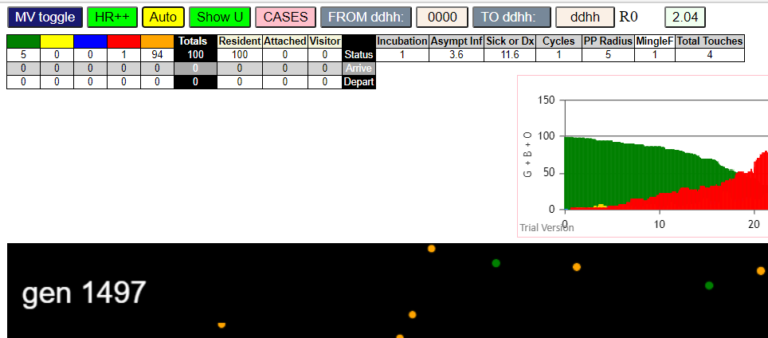
contactSimulation.js:2000 3I j:famKey 44:-1 infected by red i:famKey 5:-1 at gen 73 in Univ0
contactSimulation.js:2000 4I j:famKey 92:-1 infected by red i:famKey 5:-1 at gen 82 in Univ0
contactSimulation.js:2000 5I j:famKey 11:-1 infected by red i:famKey 5:-1 at gen 85 in Univ0
contactSimulation.js:2000 6I j:famKey 16:-1 infected by red i:famKey 5:-1 at gen 127 in Univ0
contactSimulation.js:2000 6I j:famKey 76:-1 infected by red i:famKey 5:-1 at gen 127 in Univ0
contactSimulation.js:2016 8I i:famKey 1:-1 infected by red j:famKey 5:-1 at gen 146 in U0
contactSimulation.js:2000 9I j:famKey 33:-1 infected by red i:famKey 5:-1 at gen 155 in Univ0
contactSimulation.js:2000 10I j:famKey 93:-1 infected by red i:famKey 44:-1 at gen 182 in Univ0
contactSimulation.js:2000 11I j:famKey 66:-1 infected by red i:famKey 44:-1 at gen 205 in Univ0
contactSimulation.js:2016 11I i:famKey 32:-1 infected by blue j:famKey 76:-1 at gen 206 in U0
contactSimulation.js:2016 11I i:famKey 60:-1 infected by blue j:famKey 76:-1 at gen 206 in U0
contactSimulation.js:2000 14I j:famKey 10:-1 infected by red i:famKey 1:-1 at gen 250 in Univ0
contactSimulation.js:2016 15I i:famKey 51:-1 infected by red j:famKey 61:-1 at gen 258 in U0
contactSimulation.js:2016 16I i:famKey 7:-1 infected by red j:famKey 76:-1 at gen 261 in U0
contactSimulation.js:2000 16I j:famKey 75:-1 infected by red i:famKey 16:-1 at gen 261 in Univ0
contactSimulation.js:2000 18I j:famKey 37:-1 infected by red i:famKey 33:-1 at gen 284 in Univ0
contactSimulation.js:2000 19I j:famKey 68:-1 infected by red i:famKey 11:-1 at gen 295 in Univ0
contactSimulation.js:2000 20I j:famKey 49:-1 infected by red i:famKey 1:-1 at gen 304 in Univ0
contactSimulation.js:2000 21I j:famKey 96:-1 infected by red i:famKey 32:-1 at gen 309 in Univ0
contactSimulation.js:2016 22I i:famKey 29:-1 infected by red j:famKey 92:-1 at gen 312 in U0
contactSimulation.js:2000 23I j:famKey 55:-1 infected by red i:famKey 33:-1 at gen 324 in Univ0
contactSimulation.js:2016 24I i:famKey 39:-1 infected by red j:famKey 76:-1 at gen 332 in U0
contactSimulation.js:2000 25I j:famKey 56:-1 infected by red i:famKey 44:-1 at gen 338 in Univ0
contactSimulation.js:2016 26I i:famKey 53:-1 infected by red j:famKey 93:-1 at gen 340 in U0
contactSimulation.js:2016 27I i:famKey 2:-1 infected by red j:famKey 7:-1 at gen 346 in U0
contactSimulation.js:2000 27I j:famKey 40:-1 infected by red i:famKey 11:-1 at gen 346 in Univ0
contactSimulation.js:2000 29I j:famKey 87:-1 infected by red i:famKey 16:-1 at gen 349 in Univ0
contactSimulation.js:2000 30I j:famKey 14:-1 infected by red i:famKey 10:-1 at gen 352 in Univ0
contactSimulation.js:2016 31I i:famKey 4:-1 infected by red j:famKey 16:-1 at gen 380 in U0
contactSimulation.js:2016 32I i:famKey 90:-1 infected by red j:famKey 93:-1 at gen 387 in U0
contactSimulation.js:2000 33I j:famKey 81:-1 infected by blue i:famKey 29:-1 at gen 390 in Univ0
contactSimulation.js:2016 33I i:famKey 18:-1 infected by red j:famKey 33:-1 at gen 391 in U0
contactSimulation.js:2000 35I j:famKey 79:-1 infected by red i:famKey 68:-1 at gen 395 in Univ0
contactSimulation.js:2016 35I i:famKey 69:-1 infected by red j:famKey 93:-1 at gen 395 in U0
contactSimulation.js:2000 35I j:famKey 64:-1 infected by red i:famKey 37:-1 at gen 396 in Univ0
contactSimulation.js:2016 37I i:famKey 0:-1 infected by red j:famKey 66:-1 at gen 397 in U0
contactSimulation.js:2016 39I i:famKey 57:-1 infected by red j:famKey 68:-1 at gen 399 in U0
contactSimulation.js:2016 40I i:famKey 21:-1 infected by red j:famKey 33:-1 at gen 401 in U0
contactSimulation.js:2000 41I j:famKey 73:-1 infected by red i:famKey 33:-1 at gen 406 in Univ0
contactSimulation.js:2000 42I j:famKey 41:-1 infected by red i:famKey 37:-1 at gen 411 in Univ0
contactSimulation.js:2016 43I i:famKey 9:-1 infected by red j:famKey 37:-1 at gen 413 in U0
contactSimulation.js:2016 44I i:famKey 30:-1 infected by red j:famKey 51:-1 at gen 419 in U0
contactSimulation.js:2000 45I j:famKey 38:-1 infected by red i:famKey 10:-1 at gen 423 in Univ0
contactSimulation.js:2016 46I i:famKey 45:-1 infected by red j:famKey 55:-1 at gen 434 in U0
contactSimulation.js:2016 46I i:famKey 12:-1 infected by red j:famKey 75:-1 at gen 435 in U0
contactSimulation.js:2000 48I j:famKey 65:-1 infected by red i:famKey 56:-1 at gen 439 in Univ0
contactSimulation.js:2016 49I i:famKey 67:-1 infected by red j:famKey 75:-1 at gen 454 in U0
contactSimulation.js:2000 49I j:famKey 74:-1 infected by red i:famKey 2:-1 at gen 455 in Univ0
contactSimulation.js:2016 50I i:famKey 35:-1 infected by red j:famKey 49:-1 at gen 456 in U0
contactSimulation.js:2016 52I i:famKey 23:-1 infected by red j:famKey 40:-1 at gen 459 in U0
contactSimulation.js:2000 52I j:famKey 71:-1 infected by red i:famKey 37:-1 at gen 460 in Univ0
contactSimulation.js:2016 54I i:famKey 17:-1 infected by red j:famKey 68:-1 at gen 467 in U0
contactSimulation.js:2000 55I j:famKey 50:-1 infected by red i:famKey 14:-1 at gen 472 in Univ0
contactSimulation.js:2016 56I i:famKey 8:-1 infected by red j:famKey 14:-1 at gen 476 in U0
contactSimulation.js:2016 57I i:famKey 6:-1 infected by blue j:famKey 9:-1 at gen 491 in U0
contactSimulation.js:2016 57I i:famKey 15:-1 infected by red j:famKey 56:-1 at gen 491 in U0
contactSimulation.js:2016 57I i:famKey 78:-1 infected by red j:famKey 79:-1 at gen 492 in U0
contactSimulation.js:2000 60I j:famKey 58:-1 infected by red i:famKey 29:-1 at gen 494 in Univ0
contactSimulation.js:2016 61I i:famKey 43:-1 infected by red j:famKey 68:-1 at gen 498 in U0
contactSimulation.js:2000 61I j:famKey 83:-1 infected by red i:famKey 37:-1 at gen 499 in Univ0
contactSimulation.js:2016 63I i:famKey 63:-1 infected by red j:famKey 79:-1 at gen 501 in U0
contactSimulation.js:2000 64I j:famKey 98:-1 infected by red i:famKey 40:-1 at gen 503 in Univ0
contactSimulation.js:2016 65I i:famKey 27:-1 infected by red j:famKey 64:-1 at gen 506 in U0
contactSimulation.js:2016 66I i:famKey 22:-1 infected by red j:famKey 79:-1 at gen 519 in U0
contactSimulation.js:2016 67I i:famKey 26:-1 infected by red j:famKey 37:-1 at gen 529 in U0
contactSimulation.js:2000 68I j:famKey 91:-1 infected by red i:famKey 79:-1 at gen 533 in Univ0
contactSimulation.js:2000 69I j:famKey 94:-1 infected by red i:famKey 9:-1 at gen 554 in Univ0
contactSimulation.js:2016 70I i:famKey 3:-1 infected by red j:famKey 23:-1 at gen 564 in U0
contactSimulation.js:2016 71I i:famKey 24:-1 infected by red j:famKey 40:-1 at gen 577 in U0
contactSimulation.js:2000 71I j:famKey 88:-1 infected by red i:famKey 41:-1 at gen 577 in Univ0
contactSimulation.js:2000 73I j:famKey 31:-1 infected by red i:famKey 4:-1 at gen 595 in Univ0
contactSimulation.js:2000 73I j:famKey 95:-1 infected by red i:famKey 43:-1 at gen 596 in Univ0
contactSimulation.js:2000 75I j:famKey 82:-1 infected by red i:famKey 40:-1 at gen 600 in Univ0
contactSimulation.js:2016 75I i:famKey 89:-1 infected by red j:famKey 98:-1 at gen 601 in U0
contactSimulation.js:2000 77I j:famKey 85:-1 infected by red i:famKey 15:-1 at gen 618 in Univ0
contactSimulation.js:2000 78I j:famKey 59:-1 infected by red i:famKey 43:-1 at gen 641 in Univ0
contactSimulation.js:2000 79I j:famKey 99:-1 infected by red i:famKey 78:-1 at gen 652 in Univ0
contactSimulation.js:2016 80I i:famKey 34:-1 infected by red j:famKey 91:-1 at gen 657 in U0
contactSimulation.js:2000 81I j:famKey 72:-1 infected by red i:famKey 21:-1 at gen 661 in Univ0
contactSimulation.js:2016 82I i:famKey 42:-1 infected by red j:famKey 69:-1 at gen 663 in U0
contactSimulation.js:2016 83I i:famKey 86:-1 infected by red j:famKey 98:-1 at gen 667 in U0
contactSimulation.js:2016 84I i:famKey 25:-1 infected by red j:famKey 98:-1 at gen 681 in U0
contactSimulation.js:2000 85I j:famKey 84:-1 infected by red i:famKey 17:-1 at gen 692 in Univ0
contactSimulation.js:2000 86I j:famKey 52:-1 infected by red i:famKey 50:-1 at gen 722 in Univ0
contactSimulation.js:2016 87I i:famKey 19:-1 infected by red j:famKey 72:-1 at gen 819 in U0
contactSimulation.js:2016 88I i:famKey 62:-1 infected by red j:famKey 99:-1 at gen 859 in U0
contactSimulation.js:2016 89I i:famKey 13:-1 infected by red j:famKey 42:-1 at gen 891 in U0
contactSimulation.js:2000 90I j:famKey 97:-1 infected by red i:famKey 52:-1 at gen 953 in Univ0
contactSimulation.js:2016 91I i:famKey 36:-1 infected by red j:famKey 52:-1 at gen 994 in U0
contactSimulation.js:2000 92I j:famKey 47:-1 infected by red i:famKey 36:-1 at gen 1100 in Univ0
contactSimulation.js:2016 93I i:famKey 20:-1 infected by red j:famKey 47:-1 at gen 1225 in U0
contactSimulation.js:2000 94I j:famKey 70:-1 infected by red i:famKey 47:-1 at gen 1236 in Univ0

1.0-3.6.12.6-R6
contactSimulation.js:4162 exit covidSim
contactSimulation.js:23 getAsText File {name: "HundredAgentsU0mF1.csv", lastModified: 1608077990000, lastModifiedDate: Tue Dec 15 2020 16:19:50 GMT-0800 (Pacific Standard Time), webkitRelativePath: "", size: 2140, …}
contactSimulation.js:32 File {name: "HundredAgentsU0mF1.csv", lastModified: 1608077990000, lastModifiedDate: Tue Dec 15 2020 16:19:50 GMT-0800 (Pacific Standard Time), webkitRelativePath: "", size: 2140, …}
contactSimulation.js:23 getAsText File {name: "VL1.-2.9D.csv", lastModified: 1608491880000, lastModifiedDate: Sun Dec 20 2020 11:18:00 GMT-0800 (Pacific Standard Time), webkitRelativePath: "", size: 65, …}
contactSimulation.js:32 File {name: "VL1.-2.9D.csv", lastModified: 1608491880000, lastModifiedDate: Sun Dec 20 2020 11:18:00 GMT-0800 (Pacific Standard Time), webkitRelativePath: "", size: 65, …}
contactSimulation.js:2000 1I j:famKey 47:-1 infected by red i:famKey 5:-1 at gen 37 in Univ0
contactSimulation.js:2000 2I j:famKey 31:-1 infected by red i:famKey 5:-1 at gen 55 in Univ0
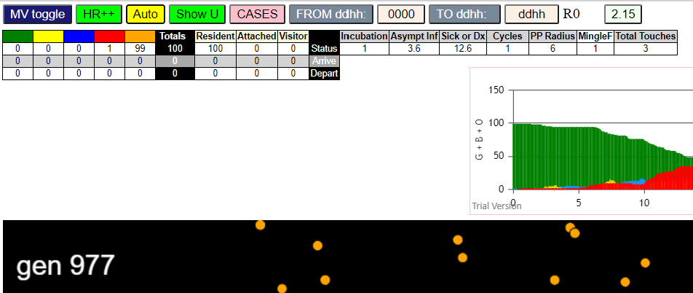
contactSimulation.js:2000 3I j:famKey 93:-1 infected by red i:famKey 5:-1 at gen 57 in Univ0
contactSimulation.js:2000 4I j:famKey 86:-1 infected by red i:famKey 5:-1 at gen 63 in Univ0
contactSimulation.js:2000 5I j:famKey 9:-1 infected by red i:famKey 5:-1 at gen 74 in Univ0
contactSimulation.js:2016 6I i:famKey 72:-1 infected by red j:famKey 93:-1 at gen 154 in U0
contactSimulation.js:2000 7I j:famKey 64:-1 infected by red i:famKey 5:-1 at gen 158 in Univ0
contactSimulation.js:2000 8I j:famKey 36:-1 infected by red i:famKey 31:-1 at gen 161 in Univ0
contactSimulation.js:2000 9I j:famKey 43:-1 infected by red i:famKey 5:-1 at gen 163 in Univ0
contactSimulation.js:2016 9I i:famKey 17:-1 infected by red j:famKey 31:-1 at gen 164 in U0
contactSimulation.js:2016 9I i:famKey 80:-1 infected by red j:famKey 86:-1 at gen 164 in U0
contactSimulation.js:2016 12I i:famKey 21:-1 infected by red j:famKey 47:-1 at gen 168 in U0
contactSimulation.js:2000 13I j:famKey 96:-1 infected by red i:famKey 31:-1 at gen 171 in Univ0
contactSimulation.js:2000 14I j:famKey 15:-1 infected by red i:famKey 5:-1 at gen 176 in Univ0
contactSimulation.js:2000 14I j:famKey 65:-1 infected by red i:famKey 31:-1 at gen 176 in Univ0
contactSimulation.js:2000 16I j:famKey 46:-1 infected by red i:famKey 9:-1 at gen 181 in Univ0
contactSimulation.js:2016 17I i:famKey 89:-1 infected by red j:famKey 93:-1 at gen 188 in U0
contactSimulation.js:2000 18I j:famKey 60:-1 infected by red i:famKey 47:-1 at gen 194 in Univ0
contactSimulation.js:2016 19I i:famKey 61:-1 infected by red j:famKey 93:-1 at gen 210 in U0
contactSimulation.js:2016 20I i:famKey 2:-1 infected by red j:famKey 9:-1 at gen 213 in U0
contactSimulation.js:2000 20I j:famKey 97:-1 infected by red i:famKey 47:-1 at gen 213 in Univ0
contactSimulation.js:2016 20I i:famKey 74:-1 infected by red j:famKey 86:-1 at gen 213 in U0
contactSimulation.js:2000 23I j:famKey 38:-1 infected by red i:famKey 31:-1 at gen 217 in Univ0
contactSimulation.js:2000 24I j:famKey 56:-1 infected by blue i:famKey 17:-1 at gen 242 in Univ0
contactSimulation.js:2016 25I i:famKey 8:-1 infected by red j:famKey 86:-1 at gen 244 in U0
contactSimulation.js:2000 25I j:famKey 75:-1 infected by yellow i:famKey 8:-1 at gen 245 in Univ0
contactSimulation.js:2016 25I i:famKey 75:-1 infected by red j:famKey 86:-1 at gen 245 in U0
contactSimulation.js:2016 27I i:famKey 87:-1 infected by blue j:famKey 96:-1 at gen 247 in U0
contactSimulation.js:2016 28I i:famKey 82:-1 infected by red j:famKey 86:-1 at gen 250 in U0
contactSimulation.js:2016 28I i:famKey 11:-1 infected by red j:famKey 93:-1 at gen 251 in U0
contactSimulation.js:2016 30I i:famKey 0:-1 infected by red j:famKey 93:-1 at gen 253 in U0
contactSimulation.js:2000 31I j:famKey 68:-1 infected by red i:famKey 9:-1 at gen 257 in Univ0
contactSimulation.js:2000 32I j:famKey 55:-1 infected by red i:famKey 36:-1 at gen 261 in Univ0
contactSimulation.js:2000 33I j:famKey 71:-1 infected by red i:famKey 9:-1 at gen 264 in Univ0
contactSimulation.js:2000 34I j:famKey 94:-1 infected by red i:famKey 9:-1 at gen 266 in Univ0
contactSimulation.js:2000 34I j:famKey 99:-1 infected by red i:famKey 47:-1 at gen 267 in Univ0
contactSimulation.js:2000 36I j:famKey 91:-1 infected by red i:famKey 15:-1 at gen 274 in Univ0
contactSimulation.js:2016 37I i:famKey 6:-1 infected by red j:famKey 93:-1 at gen 280 in U0
contactSimulation.js:2000 37I j:famKey 88:-1 infected by red i:famKey 9:-1 at gen 280 in Univ0
contactSimulation.js:2000 37I j:famKey 42:-1 infected by red i:famKey 9:-1 at gen 281 in Univ0
contactSimulation.js:2000 40I j:famKey 26:-1 infected by red i:famKey 21:-1 at gen 284 in Univ0
contactSimulation.js:2016 41I i:famKey 3:-1 infected by red j:famKey 47:-1 at gen 291 in U0
contactSimulation.js:2016 42I i:famKey 12:-1 infected by red j:famKey 72:-1 at gen 301 in U0
contactSimulation.js:2016 42I i:famKey 63:-1 infected by red j:famKey 86:-1 at gen 301 in U0
contactSimulation.js:2000 44I j:famKey 19:-1 infected by red i:famKey 15:-1 at gen 304 in Univ0
contactSimulation.js:2000 45I j:famKey 73:-1 infected by red i:famKey 17:-1 at gen 309 in Univ0
contactSimulation.js:2000 46I j:famKey 79:-1 infected by red i:famKey 2:-1 at gen 311 in Univ0
contactSimulation.js:2016 47I i:famKey 39:-1 infected by red j:famKey 74:-1 at gen 314 in U0
contactSimulation.js:2016 47I i:famKey 32:-1 infected by red j:famKey 80:-1 at gen 315 in U0
contactSimulation.js:2000 48I j:famKey 85:-1 infected by red i:famKey 31:-1 at gen 316 in Univ0
contactSimulation.js:2016 50I i:famKey 18:-1 infected by red j:famKey 46:-1 at gen 319 in U0
contactSimulation.js:2016 51I i:famKey 51:-1 infected by red j:famKey 61:-1 at gen 321 in U0
contactSimulation.js:2000 52I j:famKey 77:-1 infected by red i:famKey 2:-1 at gen 334 in Univ0
contactSimulation.js:2016 53I i:famKey 4:-1 infected by red j:famKey 46:-1 at gen 336 in U0
contactSimulation.js:2000 53I j:famKey 83:-1 infected by red i:famKey 46:-1 at gen 336 in Univ0
contactSimulation.js:2016 55I i:famKey 45:-1 infected by red j:famKey 74:-1 at gen 339 in U0
contactSimulation.js:2016 56I i:famKey 27:-1 infected by red j:famKey 72:-1 at gen 345 in U0
contactSimulation.js:2000 57I j:famKey 58:-1 infected by red i:famKey 46:-1 at gen 347 in Univ0
contactSimulation.js:2016 58I i:famKey 10:-1 infected by red j:famKey 11:-1 at gen 351 in U0
contactSimulation.js:2000 59I j:famKey 92:-1 infected by red i:famKey 60:-1 at gen 361 in Univ0
contactSimulation.js:2016 59I i:famKey 44:-1 infected by red j:famKey 55:-1 at gen 362 in U0
contactSimulation.js:2000 61I j:famKey 98:-1 infected by red i:famKey 68:-1 at gen 365 in Univ0
contactSimulation.js:2000 61I j:famKey 66:-1 infected by red i:famKey 46:-1 at gen 366 in Univ0
contactSimulation.js:2016 62I i:famKey 13:-1 infected by red j:famKey 71:-1 at gen 367 in U0
contactSimulation.js:2000 64I j:famKey 22:-1 infected by red i:famKey 3:-1 at gen 377 in Univ0
contactSimulation.js:2000 64I j:famKey 62:-1 infected by red i:famKey 46:-1 at gen 378 in Univ0
contactSimulation.js:2016 66I i:famKey 16:-1 infected by red j:famKey 26:-1 at gen 384 in U0
contactSimulation.js:2000 67I j:famKey 29:-1 infected by red i:famKey 8:-1 at gen 399 in Univ0
contactSimulation.js:2000 68I j:famKey 28:-1 infected by red i:famKey 3:-1 at gen 401 in Univ0
contactSimulation.js:2016 68I i:famKey 14:-1 infected by red j:famKey 46:-1 at gen 401 in U0
contactSimulation.js:2000 70I j:famKey 76:-1 infected by red i:famKey 11:-1 at gen 404 in Univ0
contactSimulation.js:2000 71I j:famKey 81:-1 infected by red i:famKey 26:-1 at gen 407 in Univ0
contactSimulation.js:2016 72I i:famKey 33:-1 infected by red j:famKey 43:-1 at gen 413 in U0
contactSimulation.js:2000 73I j:famKey 52:-1 infected by blue i:famKey 27:-1 at gen 422 in Univ0
contactSimulation.js:2016 74I i:famKey 41:-1 infected by red j:famKey 71:-1 at gen 424 in U0
contactSimulation.js:2000 75I j:famKey 35:-1 infected by red i:famKey 0:-1 at gen 447 in Univ0
contactSimulation.js:2000 75I j:famKey 90:-1 infected by red i:famKey 71:-1 at gen 448 in Univ0
contactSimulation.js:2016 76I i:famKey 1:-1 infected by red j:famKey 85:-1 at gen 449 in U0
contactSimulation.js:2016 76I i:famKey 70:-1 infected by red j:famKey 87:-1 at gen 449 in U0
contactSimulation.js:2016 79I i:famKey 67:-1 infected by red j:famKey 83:-1 at gen 474 in U0
contactSimulation.js:2000 80I j:famKey 69:-1 infected by red i:famKey 62:-1 at gen 478 in Univ0
contactSimulation.js:2000 80I j:famKey 84:-1 infected by red i:famKey 62:-1 at gen 479 in Univ0
contactSimulation.js:2016 82I i:famKey 50:-1 infected by red j:famKey 62:-1 at gen 486 in U0
contactSimulation.js:2000 83I j:famKey 30:-1 infected by red i:famKey 10:-1 at gen 490 in Univ0
contactSimulation.js:2016 84I i:famKey 20:-1 infected by red j:famKey 28:-1 at gen 498 in U0
contactSimulation.js:2000 85I j:famKey 95:-1 infected by red i:famKey 14:-1 at gen 501 in Univ0
contactSimulation.js:2016 86I i:famKey 7:-1 infected by red j:famKey 73:-1 at gen 503 in U0
contactSimulation.js:2000 87I j:famKey 54:-1 infected by red i:famKey 8:-1 at gen 514 in Univ0
contactSimulation.js:2000 88I j:famKey 23:-1 infected by red i:famKey 3:-1 at gen 517 in Univ0
contactSimulation.js:2000 89I j:famKey 53:-1 infected by red i:famKey 39:-1 at gen 520 in Univ0
contactSimulation.js:2000 90I j:famKey 48:-1 infected by red i:famKey 4:-1 at gen 522 in Univ0
contactSimulation.js:2000 90I j:famKey 57:-1 infected by red i:famKey 52:-1 at gen 522 in Univ0
contactSimulation.js:2016 92I i:famKey 24:-1 infected by red j:famKey 41:-1 at gen 524 in U0
contactSimulation.js:2016 92I i:famKey 49:-1 infected by red j:famKey 66:-1 at gen 525 in U0
contactSimulation.js:2016 94I i:famKey 59:-1 infected by red j:famKey 66:-1 at gen 539 in U0
contactSimulation.js:2016 95I i:famKey 37:-1 infected by red j:famKey 76:-1 at gen 544 in U0
contactSimulation.js:2016 96I i:famKey 78:-1 infected by red j:famKey 90:-1 at gen 548 in U0
contactSimulation.js:2000 97I j:famKey 40:-1 infected by red i:famKey 1:-1 at gen 554 in Univ0
contactSimulation.js:2016 98I i:famKey 34:-1 infected by red j:famKey 95:-1 at gen 630 in U0
contactSimulation.js:2016 99I i:famKey 25:-1 infected by red j:famKey 49:-1 at gen 691 in U0

2.4
contactSimulation.js:4162 exit covidSim
contactSimulation.js:23 getAsText File {name: "HundredAgentsU0mF1.csv", lastModified: 1608077990000, lastModifiedDate: Tue Dec 15 2020 16:19:50 GMT-0800 (Pacific Standard Time), webkitRelativePath: "", size: 2140, …}
contactSimulation.js:32 File {name: "HundredAgentsU0mF1.csv", lastModified: 1608077990000, lastModifiedDate: Tue Dec 15 2020 16:19:50 GMT-0800 (Pacific Standard Time), webkitRelativePath: "", size: 2140, …}
contactSimulation.js:23 getAsText File {name: "VL1.-2.9D.csv", lastModified: 1608491880000, lastModifiedDate: Sun Dec 20 2020 11:18:00 GMT-0800 (Pacific Standard Time), webkitRelativePath: "", size: 65, …}
contactSimulation.js:32 File {name: "VL1.-2.9D.csv", lastModified: 1608491880000, lastModifiedDate: Sun Dec 20 2020 11:18:00 GMT-0800 (Pacific Standard Time), webkitRelativePath: "", size: 65, …}
contactSimulation.js:2000 1I j:famKey 51:-1 infected by blue i:famKey 5:-1 at gen 40 in Univ0
contactSimulation.js:2000 2I j:famKey 93:-1 infected by red i:famKey 5:-1 at gen 75 in Univ0
contactSimulation.js:2000 3I j:famKey 74:-1 infected by red i:famKey 5:-1 at gen 93 in Univ0
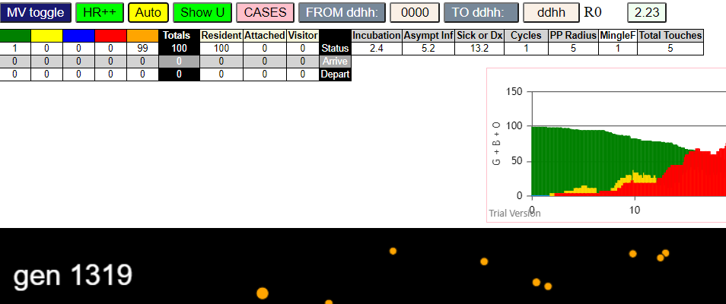
contactSimulation.js:2000 4I j:famKey 73:-1 infected by red i:famKey 5:-1 at gen 97 in Univ0
contactSimulation.js:2000 5I j:famKey 16:-1 infected by red i:famKey 5:-1 at gen 115 in Univ0
contactSimulation.js:2016 6I i:famKey 8:-1 infected by red j:famKey 51:-1 at gen 175 in U0
contactSimulation.js:2000 7I j:famKey 47:-1 infected by red i:famKey 5:-1 at gen 177 in Univ0
contactSimulation.js:2000 8I j:famKey 24:-1 infected by red i:famKey 5:-1 at gen 184 in Univ0
contactSimulation.js:2016 9I i:famKey 2:-1 infected by red j:famKey 51:-1 at gen 192 in U0
contactSimulation.js:2000 10I j:famKey 49:-1 infected by red i:famKey 5:-1 at gen 194 in Univ0
contactSimulation.js:2000 11I j:famKey 94:-1 infected by red i:famKey 51:-1 at gen 200 in Univ0
contactSimulation.js:2016 12I i:famKey 43:-1 infected by red j:famKey 51:-1 at gen 205 in U0
contactSimulation.js:2016 13I i:famKey 67:-1 infected by red j:famKey 74:-1 at gen 219 in U0
contactSimulation.js:2016 14I i:famKey 35:-1 infected by red j:famKey 74:-1 at gen 234 in U0
contactSimulation.js:2000 14I j:famKey 19:-1 infected by red i:famKey 16:-1 at gen 235 in Univ0
contactSimulation.js:2000 14I j:famKey 57:-1 infected by red i:famKey 16:-1 at gen 235 in Univ0
contactSimulation.js:2000 14I j:famKey 79:-1 infected by red i:famKey 16:-1 at gen 235 in Univ0
contactSimulation.js:2000 18I j:famKey 97:-1 infected by red i:famKey 51:-1 at gen 251 in Univ0
contactSimulation.js:2000 19I j:famKey 84:-1 infected by red i:famKey 16:-1 at gen 260 in Univ0
contactSimulation.js:2016 19I i:famKey 31:-1 infected by red j:famKey 73:-1 at gen 260 in U0
contactSimulation.js:2016 21I i:famKey 3:-1 infected by red j:famKey 93:-1 at gen 285 in U0
contactSimulation.js:2016 22I i:famKey 37:-1 infected by blue j:famKey 43:-1 at gen 307 in U0
contactSimulation.js:2016 23I i:famKey 53:-1 infected by red j:famKey 74:-1 at gen 317 in U0
contactSimulation.js:2016 24I i:famKey 17:-1 infected by red j:famKey 73:-1 at gen 333 in U0
contactSimulation.js:2000 24I j:famKey 44:-1 infected by red i:famKey 43:-1 at gen 333 in Univ0
contactSimulation.js:2000 26I j:famKey 23:-1 infected by red i:famKey 2:-1 at gen 337 in Univ0
contactSimulation.js:2016 27I i:famKey 63:-1 infected by blue j:famKey 79:-1 at gen 346 in U0
contactSimulation.js:2016 27I i:famKey 66:-1 infected by red j:famKey 94:-1 at gen 347 in U0
contactSimulation.js:2000 28I j:famKey 92:-1 infected by blue i:famKey 19:-1 at gen 348 in Univ0
contactSimulation.js:2000 30I j:famKey 91:-1 infected by red i:famKey 47:-1 at gen 354 in Univ0
contactSimulation.js:2000 31I j:famKey 77:-1 infected by red i:famKey 24:-1 at gen 362 in Univ0
contactSimulation.js:2016 31I i:famKey 4:-1 infected by blue j:famKey 31:-1 at gen 363 in U0
contactSimulation.js:2000 33I j:famKey 50:-1 infected by red i:famKey 16:-1 at gen 370 in Univ0
contactSimulation.js:2016 34I i:famKey 65:-1 infected by red j:famKey 84:-1 at gen 383 in U0
contactSimulation.js:2016 35I i:famKey 34:-1 infected by red j:famKey 94:-1 at gen 391 in U0
contactSimulation.js:2000 36I j:famKey 95:-1 infected by red i:famKey 94:-1 at gen 395 in Univ0
contactSimulation.js:2016 37I i:famKey 32:-1 infected by red j:famKey 57:-1 at gen 403 in U0
contactSimulation.js:2000 37I j:famKey 98:-1 infected by red i:famKey 47:-1 at gen 404 in Univ0
contactSimulation.js:2016 39I i:famKey 13:-1 infected by blue j:famKey 37:-1 at gen 417 in U0
contactSimulation.js:2000 39I j:famKey 70:-1 infected by red i:famKey 19:-1 at gen 417 in Univ0
contactSimulation.js:2000 41I j:famKey 69:-1 infected by red i:famKey 47:-1 at gen 421 in Univ0
contactSimulation.js:2016 42I i:famKey 55:-1 infected by red j:famKey 79:-1 at gen 434 in U0
contactSimulation.js:2000 43I j:famKey 39:-1 infected by blue i:famKey 17:-1 at gen 439 in Univ0
contactSimulation.js:2016 44I i:famKey 1:-1 infected by red j:famKey 94:-1 at gen 451 in U0
contactSimulation.js:2000 44I j:famKey 60:-1 infected by red i:famKey 35:-1 at gen 451 in Univ0
contactSimulation.js:2016 46I i:famKey 40:-1 infected by red j:famKey 47:-1 at gen 453 in U0
contactSimulation.js:2000 46I j:famKey 71:-1 infected by red i:famKey 3:-1 at gen 454 in Univ0
contactSimulation.js:2016 48I i:famKey 62:-1 infected by red j:famKey 94:-1 at gen 464 in U0
contactSimulation.js:2016 49I i:famKey 56:-1 infected by red j:famKey 79:-1 at gen 470 in U0
contactSimulation.js:2000 50I j:famKey 48:-1 infected by red i:famKey 31:-1 at gen 480 in Univ0
contactSimulation.js:2000 51I j:famKey 86:-1 infected by blue i:famKey 34:-1 at gen 490 in Univ0
contactSimulation.js:2000 52I j:famKey 72:-1 infected by red i:famKey 31:-1 at gen 500 in Univ0
contactSimulation.js:2000 53I j:famKey 61:-1 infected by blue i:famKey 34:-1 at gen 502 in Univ0
contactSimulation.js:2016 54I i:famKey 28:-1 infected by red j:famKey 66:-1 at gen 504 in U0
contactSimulation.js:2016 55I i:famKey 27:-1 infected by red j:famKey 92:-1 at gen 528 in U0
contactSimulation.js:2016 56I i:famKey 14:-1 infected by red j:famKey 34:-1 at gen 552 in U0
contactSimulation.js:2016 57I i:famKey 7:-1 infected by red j:famKey 34:-1 at gen 558 in U0
contactSimulation.js:2000 58I j:famKey 89:-1 infected by red i:famKey 44:-1 at gen 570 in Univ0
contactSimulation.js:2016 59I i:famKey 9:-1 infected by red j:famKey 44:-1 at gen 586 in U0
contactSimulation.js:2016 60I i:famKey 10:-1 infected by red j:famKey 44:-1 at gen 602 in U0
contactSimulation.js:2016 61I i:famKey 42:-1 infected by blue j:famKey 61:-1 at gen 609 in U0
contactSimulation.js:2016 62I i:famKey 59:-1 infected by red j:famKey 61:-1 at gen 621 in U0
contactSimulation.js:2000 63I j:famKey 76:-1 infected by red i:famKey 48:-1 at gen 635 in Univ0
contactSimulation.js:2016 64I i:famKey 18:-1 infected by red j:famKey 69:-1 at gen 643 in U0
contactSimulation.js:2000 65I j:famKey 90:-1 infected by blue i:famKey 9:-1 at gen 660 in Univ0
contactSimulation.js:2016 66I i:famKey 0:-1 infected by red j:famKey 27:-1 at gen 663 in U0
contactSimulation.js:2016 66I i:famKey 11:-1 infected by red j:famKey 69:-1 at gen 663 in U0
contactSimulation.js:2016 66I i:famKey 6:-1 infected by red j:famKey 27:-1 at gen 664 in U0
contactSimulation.js:2016 69I i:famKey 58:-1 infected by red j:famKey 61:-1 at gen 666 in U0
contactSimulation.js:2016 70I i:famKey 26:-1 infected by red j:famKey 69:-1 at gen 675 in U0
contactSimulation.js:2016 70I i:famKey 22:-1 infected by red j:famKey 61:-1 at gen 676 in U0
contactSimulation.js:2016 71I i:famKey 15:-1 infected by red j:famKey 39:-1 at gen 677 in U0
contactSimulation.js:2000 73I j:famKey 83:-1 infected by red i:famKey 7:-1 at gen 689 in Univ0
contactSimulation.js:2000 74I j:famKey 33:-1 infected by blue i:famKey 10:-1 at gen 709 in Univ0
contactSimulation.js:2016 75I i:famKey 45:-1 infected by red j:famKey 61:-1 at gen 721 in U0
contactSimulation.js:2000 76I j:famKey 41:-1 infected by blue i:famKey 10:-1 at gen 723 in Univ0
contactSimulation.js:2000 77I j:famKey 99:-1 infected by blue i:famKey 6:-1 at gen 760 in Univ0
contactSimulation.js:2000 77I j:famKey 96:-1 infected by red i:famKey 42:-1 at gen 761 in Univ0
contactSimulation.js:2016 79I i:famKey 12:-1 infected by red j:famKey 18:-1 at gen 774 in U0
contactSimulation.js:2000 79I j:famKey 21:-1 infected by red i:famKey 18:-1 at gen 774 in Univ0
contactSimulation.js:2000 81I j:famKey 20:-1 infected by red i:famKey 7:-1 at gen 785 in Univ0
contactSimulation.js:2000 82I j:famKey 81:-1 infected by red i:famKey 14:-1 at gen 792 in Univ0
contactSimulation.js:2000 82I j:famKey 54:-1 infected by red i:famKey 18:-1 at gen 792 in Univ0
contactSimulation.js:2000 84I j:famKey 88:-1 infected by red i:famKey 6:-1 at gen 809 in Univ0
contactSimulation.js:2016 84I i:famKey 52:-1 infected by red j:famKey 89:-1 at gen 810 in U0
contactSimulation.js:2000 86I j:famKey 87:-1 infected by red i:famKey 10:-1 at gen 820 in Univ0
contactSimulation.js:2000 87I j:famKey 82:-1 infected by red i:famKey 15:-1 at gen 851 in Univ0
contactSimulation.js:2000 88I j:famKey 38:-1 infected by red i:famKey 18:-1 at gen 865 in Univ0
contactSimulation.js:2000 89I j:famKey 30:-1 infected by blue i:famKey 21:-1 at gen 875 in Univ0
contactSimulation.js:2000 90I j:famKey 85:-1 infected by blue i:famKey 21:-1 at gen 886 in Univ0
contactSimulation.js:2000 91I j:famKey 75:-1 infected by blue i:famKey 54:-1 at gen 908 in Univ0
contactSimulation.js:2016 92I i:famKey 36:-1 infected by red j:famKey 54:-1 at gen 920 in U0
contactSimulation.js:2000 93I j:famKey 80:-1 infected by red i:famKey 41:-1 at gen 941 in Univ0
contactSimulation.js:2000 94I j:famKey 46:-1 infected by red i:famKey 41:-1 at gen 978 in Univ0
contactSimulation.js:2016 95I i:famKey 29:-1 infected by blue j:famKey 30:-1 at gen 984 in U0
contactSimulation.js:2000 96I j:famKey 78:-1 infected by blue i:famKey 75:-1 at gen 1007 in Univ0
contactSimulation.js:2000 97I j:famKey 64:-1 infected by red i:famKey 21:-1 at gen 1011 in Univ0
contactSimulation.js:2016 98I i:famKey 68:-1 infected by red j:famKey 82:-1 at gen 1014 in U0

1.9
contactSimulation.js:4162 exit covidSim
contactSimulation.js:23 getAsText File {name: "HundredAgentsU0mF1.csv", lastModified: 1608077990000, lastModifiedDate: Tue Dec 15 2020 16:19:50 GMT-0800 (Pacific Standard Time), webkitRelativePath: "", size: 2140, …}
contactSimulation.js:32 File {name: "HundredAgentsU0mF1.csv", lastModified: 1608077990000, lastModifiedDate: Tue Dec 15 2020 16:19:50 GMT-0800 (Pacific Standard Time), webkitRelativePath: "", size: 2140, …}
contactSimulation.js:23 getAsText File {name: "VL1.-2.9D.csv", lastModified: 1608491880000, lastModifiedDate: Sun Dec 20 2020 11:18:00 GMT-0800 (Pacific Standard Time), webkitRelativePath: "", size: 65, …}
contactSimulation.js:32 File {name: "VL1.-2.9D.csv", lastModified: 1608491880000, lastModifiedDate: Sun Dec 20 2020 11:18:00 GMT-0800 (Pacific Standard Time), webkitRelativePath: "", size: 65, …}
contactSimulation.js:2000 1I j:famKey 66:-1 infected by blue i:famKey 5:-1 at gen 30 in Univ0
contactSimulation.js:2016 2I i:famKey 0:-1 infected by blue j:famKey 5:-1 at gen 35 in U0
contactSimulation.js:2000 3I j:famKey 9:-1 infected by red i:famKey 5:-1 at gen 89 in Univ0
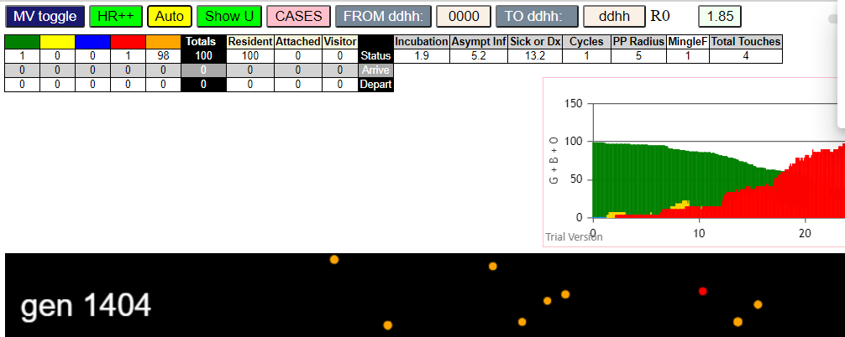
contactSimulation.js:2016 4I i:famKey 33:-1 infected by blue j:famKey 66:-1 at gen 129 in U0
contactSimulation.js:2016 5I i:famKey 26:-1 infected by red j:famKey 66:-1 at gen 168 in U0
contactSimulation.js:2000 6I j:famKey 92:-1 infected by red i:famKey 66:-1 at gen 173 in Univ0
contactSimulation.js:2000 6I j:famKey 75:-1 infected by red i:famKey 5:-1 at gen 174 in Univ0
contactSimulation.js:2000 6I j:famKey 85:-1 infected by red i:famKey 5:-1 at gen 174 in Univ0
contactSimulation.js:2000 9I j:famKey 6:-1 infected by red i:famKey 5:-1 at gen 185 in Univ0
contactSimulation.js:2000 10I j:famKey 86:-1 infected by red i:famKey 66:-1 at gen 201 in Univ0
contactSimulation.js:2000 11I j:famKey 44:-1 infected by red i:famKey 9:-1 at gen 214 in Univ0
contactSimulation.js:2016 12I i:famKey 59:-1 infected by red j:famKey 66:-1 at gen 222 in U0
contactSimulation.js:2000 13I j:famKey 89:-1 infected by red i:famKey 0:-1 at gen 243 in Univ0
contactSimulation.js:2016 14I i:famKey 70:-1 infected by blue j:famKey 85:-1 at gen 271 in U0
contactSimulation.js:2016 15I i:famKey 12:-1 infected by red j:famKey 66:-1 at gen 280 in U0
contactSimulation.js:2000 16I j:famKey 7:-1 infected by blue i:famKey 6:-1 at gen 285 in Univ0
contactSimulation.js:2016 17I i:famKey 22:-1 infected by blue j:famKey 75:-1 at gen 289 in U0
contactSimulation.js:2000 18I j:famKey 96:-1 infected by blue i:famKey 6:-1 at gen 297 in Univ0
contactSimulation.js:2016 19I i:famKey 53:-1 infected by red j:famKey 92:-1 at gen 308 in U0
contactSimulation.js:2016 20I i:famKey 25:-1 infected by red j:famKey 75:-1 at gen 310 in U0
contactSimulation.js:2016 21I i:famKey 4:-1 infected by red j:famKey 86:-1 at gen 322 in U0
contactSimulation.js:2000 22I j:famKey 78:-1 infected by blue i:famKey 44:-1 at gen 327 in Univ0
contactSimulation.js:2000 23I j:famKey 48:-1 infected by red i:famKey 6:-1 at gen 331 in Univ0
contactSimulation.js:2016 24I i:famKey 1:-1 infected by red j:famKey 33:-1 at gen 334 in U0
contactSimulation.js:2016 24I i:famKey 81:-1 infected by red j:famKey 86:-1 at gen 334 in U0
contactSimulation.js:2016 26I i:famKey 14:-1 infected by red j:famKey 44:-1 at gen 344 in U0
contactSimulation.js:2000 27I j:famKey 47:-1 infected by red i:famKey 26:-1 at gen 352 in Univ0
contactSimulation.js:2000 27I j:famKey 93:-1 infected by red i:famKey 59:-1 at gen 352 in Univ0
contactSimulation.js:2016 29I i:famKey 2:-1 infected by red j:famKey 86:-1 at gen 357 in U0
contactSimulation.js:2000 30I j:famKey 30:-1 infected by blue i:famKey 12:-1 at gen 367 in Univ0
contactSimulation.js:2000 30I j:famKey 72:-1 infected by red i:famKey 33:-1 at gen 367 in Univ0
contactSimulation.js:2000 32I j:famKey 69:-1 infected by red i:famKey 26:-1 at gen 373 in Univ0
contactSimulation.js:2000 32I j:famKey 76:-1 infected by red i:famKey 75:-1 at gen 374 in Univ0
contactSimulation.js:2000 34I j:famKey 32:-1 infected by blue i:famKey 12:-1 at gen 390 in Univ0
contactSimulation.js:2000 35I j:famKey 17:-1 infected by blue i:famKey 12:-1 at gen 397 in Univ0
contactSimulation.js:2016 35I i:famKey 56:-1 infected by red j:famKey 59:-1 at gen 397 in U0
contactSimulation.js:2000 37I j:famKey 82:-1 infected by red i:famKey 26:-1 at gen 418 in Univ0
contactSimulation.js:2016 38I i:famKey 31:-1 infected by red j:famKey 59:-1 at gen 428 in U0
contactSimulation.js:2016 39I i:famKey 65:-1 infected by blue j:famKey 93:-1 at gen 446 in U0
contactSimulation.js:2016 40I i:famKey 35:-1 infected by red j:famKey 81:-1 at gen 452 in U0
contactSimulation.js:2000 41I j:famKey 97:-1 infected by red i:famKey 70:-1 at gen 471 in Univ0
contactSimulation.js:2016 42I i:famKey 27:-1 infected by blue j:famKey 76:-1 at gen 475 in U0
contactSimulation.js:2016 43I i:famKey 63:-1 infected by red j:famKey 78:-1 at gen 481 in U0
contactSimulation.js:2000 44I j:famKey 46:-1 infected by red i:famKey 30:-1 at gen 483 in Univ0
contactSimulation.js:2000 44I j:famKey 55:-1 infected by red i:famKey 30:-1 at gen 483 in Univ0
contactSimulation.js:2000 46I j:famKey 77:-1 infected by red i:famKey 30:-1 at gen 486 in Univ0
contactSimulation.js:2016 46I i:famKey 49:-1 infected by blue j:famKey 56:-1 at gen 486 in U0
contactSimulation.js:2000 46I j:famKey 83:-1 infected by blue i:famKey 76:-1 at gen 486 in Univ0
contactSimulation.js:2016 46I i:famKey 13:-1 infected by red j:famKey 70:-1 at gen 487 in U0
contactSimulation.js:2000 50I j:famKey 67:-1 infected by red i:famKey 47:-1 at gen 492 in Univ0
contactSimulation.js:2000 51I j:famKey 95:-1 infected by red i:famKey 78:-1 at gen 496 in Univ0
contactSimulation.js:2000 52I j:famKey 29:-1 infected by red i:famKey 4:-1 at gen 501 in Univ0
contactSimulation.js:2016 52I i:famKey 15:-1 infected by blue j:famKey 17:-1 at gen 501 in U0
contactSimulation.js:2016 54I i:famKey 57:-1 infected by blue j:famKey 82:-1 at gen 512 in U0
contactSimulation.js:2000 55I j:famKey 60:-1 infected by red i:famKey 53:-1 at gen 517 in Univ0
contactSimulation.js:2000 56I j:famKey 91:-1 infected by red i:famKey 56:-1 at gen 522 in Univ0
contactSimulation.js:2016 57I i:famKey 45:-1 infected by red j:famKey 70:-1 at gen 525 in U0
contactSimulation.js:2000 58I j:famKey 84:-1 infected by red i:famKey 2:-1 at gen 537 in Univ0
contactSimulation.js:2000 59I j:famKey 3:-1 infected by red i:famKey 1:-1 at gen 541 in Univ0
contactSimulation.js:2016 60I i:famKey 28:-1 infected by blue j:famKey 35:-1 at gen 551 in U0
contactSimulation.js:2000 61I j:famKey 80:-1 infected by blue i:famKey 35:-1 at gen 556 in Univ0
contactSimulation.js:2016 62I i:famKey 64:-1 infected by blue j:famKey 65:-1 at gen 561 in U0
contactSimulation.js:2016 63I i:famKey 62:-1 infected by red j:famKey 65:-1 at gen 578 in U0
contactSimulation.js:2000 63I j:famKey 52:-1 infected by red i:famKey 31:-1 at gen 579 in Univ0
contactSimulation.js:2000 65I j:famKey 61:-1 infected by blue i:famKey 13:-1 at gen 590 in Univ0
contactSimulation.js:2016 65I i:famKey 43:-1 infected by red j:famKey 96:-1 at gen 591 in U0
contactSimulation.js:2016 67I i:famKey 68:-1 infected by red j:famKey 97:-1 at gen 607 in U0
contactSimulation.js:2016 68I i:famKey 24:-1 infected by red j:famKey 83:-1 at gen 613 in U0
contactSimulation.js:2000 69I j:famKey 51:-1 infected by red i:famKey 35:-1 at gen 635 in Univ0
contactSimulation.js:2000 70I j:famKey 99:-1 infected by red i:famKey 13:-1 at gen 639 in Univ0
contactSimulation.js:2016 70I i:famKey 19:-1 infected by red j:famKey 49:-1 at gen 640 in U0
contactSimulation.js:2016 72I i:famKey 20:-1 infected by red j:famKey 46:-1 at gen 644 in U0
contactSimulation.js:2000 73I j:famKey 71:-1 infected by red i:famKey 60:-1 at gen 647 in Univ0
contactSimulation.js:2016 74I i:famKey 16:-1 infected by red j:famKey 69:-1 at gen 650 in U0
contactSimulation.js:2016 75I i:famKey 34:-1 infected by red j:famKey 57:-1 at gen 652 in U0
contactSimulation.js:2000 76I j:famKey 98:-1 infected by red i:famKey 35:-1 at gen 655 in Univ0
contactSimulation.js:2016 77I i:famKey 39:-1 infected by red j:famKey 97:-1 at gen 667 in U0
contactSimulation.js:2000 77I j:famKey 94:-1 infected by red i:famKey 45:-1 at gen 668 in Univ0
contactSimulation.js:2000 78I j:famKey 74:-1 infected by red i:famKey 31:-1 at gen 669 in Univ0
contactSimulation.js:2016 80I i:famKey 8:-1 infected by red j:famKey 13:-1 at gen 672 in U0
contactSimulation.js:2000 81I j:famKey 58:-1 infected by red i:famKey 13:-1 at gen 675 in Univ0
contactSimulation.js:2016 82I i:famKey 37:-1 infected by red j:famKey 80:-1 at gen 683 in U0
contactSimulation.js:2000 83I j:famKey 73:-1 infected by red i:famKey 13:-1 at gen 691 in Univ0
contactSimulation.js:2000 84I j:famKey 21:-1 infected by red i:famKey 13:-1 at gen 700 in Univ0
contactSimulation.js:2016 85I i:famKey 10:-1 infected by red j:famKey 35:-1 at gen 709 in U0
contactSimulation.js:2000 85I j:famKey 42:-1 infected by red i:famKey 27:-1 at gen 709 in Univ0
contactSimulation.js:2016 87I i:famKey 38:-1 infected by red j:famKey 60:-1 at gen 721 in U0
contactSimulation.js:2016 88I i:famKey 18:-1 infected by red j:famKey 84:-1 at gen 737 in U0
contactSimulation.js:2016 89I i:famKey 88:-1 infected by red j:famKey 91:-1 at gen 746 in U0
contactSimulation.js:2000 90I j:famKey 36:-1 infected by blue i:famKey 8:-1 at gen 791 in Univ0
contactSimulation.js:2016 91I i:famKey 40:-1 infected by blue j:famKey 88:-1 at gen 847 in U0
contactSimulation.js:2000 92I j:famKey 90:-1 infected by red i:famKey 58:-1 at gen 851 in Univ0
contactSimulation.js:2000 92I j:famKey 50:-1 infected by red i:famKey 38:-1 at gen 852 in Univ0
contactSimulation.js:2016 94I i:famKey 11:-1 infected by red j:famKey 98:-1 at gen 870 in U0
contactSimulation.js:2000 95I j:famKey 54:-1 infected by red i:famKey 39:-1 at gen 888 in Univ0
contactSimulation.js:2016 96I i:famKey 23:-1 infected by blue j:famKey 90:-1 at gen 957 in U0
contactSimulation.js:2016 97I i:famKey 87:-1 infected by red j:famKey 88:-1 at gen 997 in U0
contactSimulation.js:2000 98I j:famKey 41:-1 infected by red i:famKey 40:-1 at gen 1102 in Univ0

1.4
contactSimulation.js:4162 exit covidSim
contactSimulation.js:23 getAsText File {name: "HundredAgentsU0mF1.csv", lastModified: 1608077990000, lastModifiedDate: Tue Dec 15 2020 16:19:50 GMT-0800 (Pacific Standard Time), webkitRelativePath: "", size: 2140, …}
contactSimulation.js:32 File {name: "HundredAgentsU0mF1.csv", lastModified: 1608077990000, lastModifiedDate: Tue Dec 15 2020 16:19:50 GMT-0800 (Pacific Standard Time), webkitRelativePath: "", size: 2140, …}
contactSimulation.js:23 getAsText File {name: "VL1.-2.9D.csv", lastModified: 1608491880000, lastModifiedDate: Sun Dec 20 2020 11:18:00 GMT-0800 (Pacific Standard Time), webkitRelativePath: "", size: 65, …}
contactSimulation.js:32 File {name: "VL1.-2.9D.csv", lastModified: 1608491880000, lastModifiedDate: Sun Dec 20 2020 11:18:00 GMT-0800 (Pacific Standard Time), webkitRelativePath: "", size: 65, …}
contactSimulation.js:2000 1I j:famKey 73:-1 infected by red i:famKey 5:-1 at gen 114 in Univ0
contactSimulation.js:2000 2I j:famKey 33:-1 infected by red i:famKey 5:-1 at gen 148 in Univ0
contactSimulation.js:2000 3I j:famKey 98:-1 infected by red i:famKey 5:-1 at gen 161 in Univ0
contactSimulation.js:2000 4I j:famKey 70:-1 infected by red i:famKey 5:-1 at gen 164 in Univ0
contactSimulation.js:2000 5I j:famKey 67:-1 infected by red i:famKey 5:-1 at gen 181 in Univ0
contactSimulation.js:2000 6I j:famKey 81:-1 infected by red i:famKey 5:-1 at gen 185 in Univ0
contactSimulation.js:2016 7I i:famKey 45:-1 infected by blue j:famKey 73:-1 at gen 210 in U0
contactSimulation.js:2000 8I j:famKey 82:-1 infected by red i:famKey 73:-1 at gen 275 in Univ0
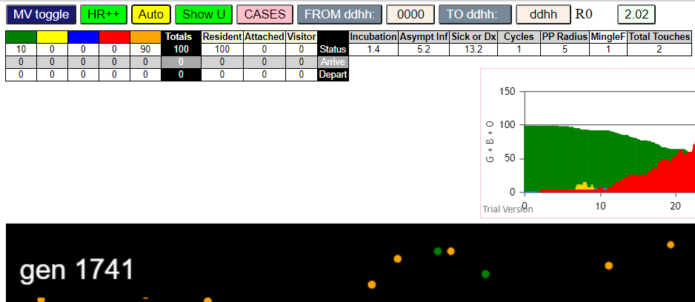
contactSimulation.js:2016 9I i:famKey 46:-1 infected by red j:famKey 98:-1 at gen 282 in U0
contactSimulation.js:2000 10I j:famKey 95:-1 infected by blue i:famKey 45:-1 at gen 291 in Univ0
contactSimulation.js:2000 11I j:famKey 87:-1 infected by blue i:famKey 67:-1 at gen 298 in Univ0
contactSimulation.js:2016 12I i:famKey 69:-1 infected by blue j:famKey 81:-1 at gen 305 in U0
contactSimulation.js:2000 13I j:famKey 66:-1 infected by blue i:famKey 45:-1 at gen 307 in Univ0
contactSimulation.js:2016 14I i:famKey 37:-1 infected by red j:famKey 70:-1 at gen 315 in U0
contactSimulation.js:2016 15I i:famKey 49:-1 infected by red j:famKey 70:-1 at gen 336 in U0
contactSimulation.js:2016 16I i:famKey 6:-1 infected by red j:famKey 33:-1 at gen 338 in U0
contactSimulation.js:2000 17I j:famKey 72:-1 infected by red i:famKey 33:-1 at gen 341 in Univ0
contactSimulation.js:2016 18I i:famKey 56:-1 infected by red j:famKey 70:-1 at gen 349 in U0
contactSimulation.js:2016 19I i:famKey 23:-1 infected by red j:famKey 98:-1 at gen 360 in U0
contactSimulation.js:2016 20I i:famKey 61:-1 infected by red j:famKey 98:-1 at gen 364 in U0
contactSimulation.js:2016 21I i:famKey 50:-1 infected by blue j:famKey 82:-1 at gen 371 in U0
contactSimulation.js:2016 22I i:famKey 38:-1 infected by red j:famKey 81:-1 at gen 374 in U0
contactSimulation.js:2016 23I i:famKey 71:-1 infected by red j:famKey 81:-1 at gen 397 in U0
contactSimulation.js:2016 24I i:famKey 9:-1 infected by red j:famKey 46:-1 at gen 409 in U0
contactSimulation.js:2016 24I i:famKey 17:-1 infected by red j:famKey 95:-1 at gen 409 in U0
contactSimulation.js:2016 26I i:famKey 21:-1 infected by red j:famKey 45:-1 at gen 419 in U0
contactSimulation.js:2000 27I j:famKey 91:-1 infected by red i:famKey 82:-1 at gen 421 in Univ0
contactSimulation.js:2016 28I i:famKey 25:-1 infected by red j:famKey 69:-1 at gen 426 in U0
contactSimulation.js:2000 29I j:famKey 80:-1 infected by red i:famKey 69:-1 at gen 434 in Univ0
contactSimulation.js:2016 29I i:famKey 3:-1 infected by red j:famKey 82:-1 at gen 435 in U0
contactSimulation.js:2000 31I j:famKey 75:-1 infected by blue i:famKey 72:-1 at gen 439 in Univ0
contactSimulation.js:2016 32I i:famKey 26:-1 infected by red j:famKey 37:-1 at gen 441 in U0
contactSimulation.js:2000 33I j:famKey 93:-1 infected by red i:famKey 69:-1 at gen 455 in Univ0
contactSimulation.js:2016 34I i:famKey 28:-1 infected by red j:famKey 82:-1 at gen 459 in U0
contactSimulation.js:2016 35I i:famKey 52:-1 infected by red j:famKey 82:-1 at gen 468 in U0
contactSimulation.js:2000 36I j:famKey 97:-1 infected by red i:famKey 6:-1 at gen 516 in Univ0
contactSimulation.js:2000 36I j:famKey 97:-1 infected by red i:famKey 37:-1 at gen 516 in Univ0
contactSimulation.js:2000 36I j:famKey 32:-1 infected by blue i:famKey 9:-1 at gen 517 in Univ0
contactSimulation.js:2000 36I j:famKey 32:-1 infected by blue i:famKey 21:-1 at gen 517 in Univ0
contactSimulation.js:2016 38I i:famKey 41:-1 infected by red j:famKey 87:-1 at gen 522 in U0
contactSimulation.js:2016 39I i:famKey 62:-1 infected by red j:famKey 87:-1 at gen 524 in U0
contactSimulation.js:2016 40I i:famKey 86:-1 infected by blue j:famKey 93:-1 at gen 540 in U0
contactSimulation.js:2016 41I i:famKey 11:-1 infected by blue j:famKey 28:-1 at gen 549 in U0
contactSimulation.js:2016 41I i:famKey 14:-1 infected by blue j:famKey 80:-1 at gen 549 in U0
contactSimulation.js:2016 43I i:famKey 0:-1 infected by red j:famKey 87:-1 at gen 565 in U0
contactSimulation.js:2000 44I j:famKey 57:-1 infected by blue i:famKey 41:-1 at gen 598 in Univ0
contactSimulation.js:2000 45I j:famKey 42:-1 infected by red i:famKey 38:-1 at gen 601 in Univ0
contactSimulation.js:2016 46I i:famKey 84:-1 infected by red j:famKey 91:-1 at gen 613 in U0
contactSimulation.js:2000 47I j:famKey 51:-1 infected by red i:famKey 28:-1 at gen 621 in Univ0
contactSimulation.js:2000 48I j:famKey 77:-1 infected by red i:famKey 25:-1 at gen 644 in Univ0
contactSimulation.js:2016 49I i:famKey 18:-1 infected by red j:famKey 50:-1 at gen 667 in U0
contactSimulation.js:2016 50I i:famKey 15:-1 infected by red j:famKey 62:-1 at gen 681 in U0
contactSimulation.js:2016 50I i:famKey 27:-1 infected by red j:famKey 80:-1 at gen 681 in U0
contactSimulation.js:2016 52I i:famKey 48:-1 infected by blue j:famKey 57:-1 at gen 700 in U0
contactSimulation.js:2016 53I i:famKey 12:-1 infected by blue j:famKey 57:-1 at gen 703 in U0
contactSimulation.js:2000 54I j:famKey 8:-1 infected by red i:famKey 3:-1 at gen 722 in Univ0
contactSimulation.js:2000 55I j:famKey 30:-1 infected by red i:famKey 14:-1 at gen 728 in Univ0
contactSimulation.js:2000 56I j:famKey 35:-1 infected by blue i:famKey 18:-1 at gen 741 in Univ0
contactSimulation.js:2016 56I i:famKey 22:-1 infected by red j:famKey 57:-1 at gen 741 in U0
contactSimulation.js:2016 56I i:famKey 19:-1 infected by red j:famKey 57:-1 at gen 742 in U0
contactSimulation.js:2000 59I j:famKey 24:-1 infected by red i:famKey 15:-1 at gen 807 in Univ0
contactSimulation.js:2016 60I i:famKey 47:-1 infected by red j:famKey 48:-1 at gen 833 in U0
contactSimulation.js:2000 60I j:famKey 16:-1 infected by red i:famKey 12:-1 at gen 834 in Univ0
contactSimulation.js:2000 61I j:famKey 20:-1 infected by red i:famKey 12:-1 at gen 835 in Univ0
contactSimulation.js:2016 63I i:famKey 13:-1 infected by red j:famKey 48:-1 at gen 864 in U0
contactSimulation.js:2000 64I j:famKey 74:-1 infected by red i:famKey 15:-1 at gen 868 in Univ0
contactSimulation.js:2016 65I i:famKey 2:-1 infected by red j:famKey 30:-1 at gen 881 in U0
contactSimulation.js:2000 66I j:famKey 44:-1 infected by red i:famKey 30:-1 at gen 911 in Univ0
contactSimulation.js:2000 67I j:famKey 59:-1 infected by red i:famKey 12:-1 at gen 921 in Univ0
contactSimulation.js:2000 68I j:famKey 79:-1 infected by red i:famKey 48:-1 at gen 925 in Univ0
contactSimulation.js:2000 69I j:famKey 83:-1 infected by red i:famKey 18:-1 at gen 941 in Univ0
contactSimulation.js:2000 70I j:famKey 36:-1 infected by blue i:famKey 20:-1 at gen 947 in Univ0
contactSimulation.js:2000 70I j:famKey 31:-1 infected by red i:famKey 19:-1 at gen 948 in Univ0
contactSimulation.js:2000 72I j:famKey 94:-1 infected by red i:famKey 30:-1 at gen 962 in Univ0
contactSimulation.js:2000 73I j:famKey 63:-1 infected by red i:famKey 35:-1 at gen 965 in Univ0
contactSimulation.js:2000 74I j:famKey 78:-1 infected by red i:famKey 20:-1 at gen 988 in Univ0
contactSimulation.js:2000 74I j:famKey 60:-1 infected by red i:famKey 35:-1 at gen 988 in Univ0
contactSimulation.js:2000 76I j:famKey 40:-1 infected by red i:famKey 13:-1 at gen 1000 in Univ0
contactSimulation.js:2000 76I j:famKey 34:-1 infected by red i:famKey 19:-1 at gen 1001 in Univ0
contactSimulation.js:2016 78I i:famKey 7:-1 infected by red j:famKey 30:-1 at gen 1003 in U0
contactSimulation.js:2000 79I j:famKey 39:-1 infected by red i:famKey 13:-1 at gen 1009 in Univ0
contactSimulation.js:2016 80I i:famKey 29:-1 infected by blue j:famKey 59:-1 at gen 1042 in U0
contactSimulation.js:2000 81I j:famKey 68:-1 infected by red i:famKey 13:-1 at gen 1060 in Univ0
contactSimulation.js:2000 82I j:famKey 54:-1 infected by red i:famKey 36:-1 at gen 1067 in Univ0
contactSimulation.js:2000 83I j:famKey 85:-1 infected by blue i:famKey 7:-1 at gen 1093 in Univ0
contactSimulation.js:2000 84I j:famKey 43:-1 infected by red i:famKey 20:-1 at gen 1111 in Univ0
contactSimulation.js:2000 85I j:famKey 55:-1 infected by red i:famKey 7:-1 at gen 1202 in Univ0
contactSimulation.js:2016 86I i:famKey 1:-1 infected by red j:famKey 29:-1 at gen 1323 in U0
contactSimulation.js:2000 87I j:famKey 96:-1 infected by red i:famKey 55:-1 at gen 1329 in Univ0
contactSimulation.js:2000 88I j:famKey 76:-1 infected by red i:famKey 43:-1 at gen 1342 in Univ0
contactSimulation.js:2016 89I i:famKey 10:-1 infected by red j:famKey 55:-1 at gen 1436 in U0

0.9
contactSimulation.js:4162 exit covidSim
contactSimulation.js:23 getAsText File {name: "HundredAgentsU0mF1.csv", lastModified: 1608077990000, lastModifiedDate: Tue Dec 15 2020 16:19:50 GMT-0800 (Pacific Standard Time), webkitRelativePath: "", size: 2140, …}
contactSimulation.js:32 File {name: "HundredAgentsU0mF1.csv", lastModified: 1608077990000, lastModifiedDate: Tue Dec 15 2020 16:19:50 GMT-0800 (Pacific Standard Time), webkitRelativePath: "", size: 2140, …}
contactSimulation.js:23 getAsText File {name: "VL1.-2.9D.csv", lastModified: 1608491880000, lastModifiedDate: Sun Dec 20 2020 11:18:00 GMT-0800 (Pacific Standard Time), webkitRelativePath: "", size: 65, …}
contactSimulation.js:32 File {name: "VL1.-2.9D.csv", lastModified: 1608491880000, lastModifiedDate: Sun Dec 20 2020 11:18:00 GMT-0800 (Pacific Standard Time), webkitRelativePath: "", size: 65, …}
contactSimulation.js:2000 1I j:famKey 33:-1 infected by blue i:famKey 5:-1 at gen 9 in Univ0
contactSimulation.js:2000 2I j:famKey 41:-1 infected by blue i:famKey 5:-1 at gen 23 in Univ0
contactSimulation.js:2000 3I j:famKey 57:-1 infected by blue i:famKey 5:-1 at gen 27 in Univ0
contactSimulation.js:2000 4I j:famKey 68:-1 infected by blue i:famKey 41:-1 at gen 101 in Univ0
contactSimulation.js:2000 5I j:famKey 95:-1 infected by blue i:famKey 41:-1 at gen 112 in Univ0
contactSimulation.js:2000 6I j:famKey 25:-1 infected by red i:famKey 5:-1 at gen 117 in Univ0
contactSimulation.js:2000 7I j:famKey 58:-1 infected by blue i:famKey 41:-1 at gen 126 in Univ0
contactSimulation.js:2000 7I j:famKey 94:-1 infected by blue i:famKey 57:-1 at gen 127 in Univ0
contactSimulation.js:2000 9I j:famKey 78:-1 infected by red i:famKey 33:-1 at gen 137 in Univ0
contactSimulation.js:2000 10I j:famKey 88:-1 infected by red i:famKey 5:-1 at gen 144 in Univ0
contactSimulation.js:2016 10I i:famKey 21:-1 infected by red j:famKey 33:-1 at gen 144 in U0
contactSimulation.js:2000 12I j:famKey 44:-1 infected by red i:famKey 33:-1 at gen 162 in Univ0
contactSimulation.js:2000 13I j:famKey 16:-1 infected by red i:famKey 5:-1 at gen 165 in Univ0
contactSimulation.js:2000 13I j:famKey 76:-1 infected by red i:famKey 33:-1 at gen 165 in Univ0
contactSimulation.js:2000 15I j:famKey 72:-1 infected by red i:famKey 5:-1 at gen 179 in Univ0
contactSimulation.js:2000 15I j:famKey 89:-1 infected by red i:famKey 33:-1 at gen 179 in Univ0
contactSimulation.js:2016 17I i:famKey 60:-1 infected by red j:famKey 68:-1 at gen 225 in U0
contactSimulation.js:2000 18I j:famKey 80:-1 infected by red i:famKey 68:-1 at gen 227 in Univ0
contactSimulation.js:2000 19I j:famKey 84:-1 infected by red i:famKey 25:-1 at gen 232 in Univ0
contactSimulation.js:2016 20I i:famKey 56:-1 infected by blue j:famKey 58:-1 at gen 236 in U0
contactSimulation.js:2000 21I j:famKey 96:-1 infected by blue i:famKey 94:-1 at gen 241 in Univ0
contactSimulation.js:2000 22I j:famKey 77:-1 infected by red i:famKey 25:-1 at gen 249 in Univ0
contactSimulation.js:2016 23I i:famKey 19:-1 infected by red j:famKey 78:-1 at gen 259 in U0
contactSimulation.js:2016 24I i:famKey 39:-1 infected by blue j:famKey 72:-1 at gen 275 in U0
contactSimulation.js:2000 24I j:famKey 48:-1 infected by red i:famKey 21:-1 at gen 276 in Univ0
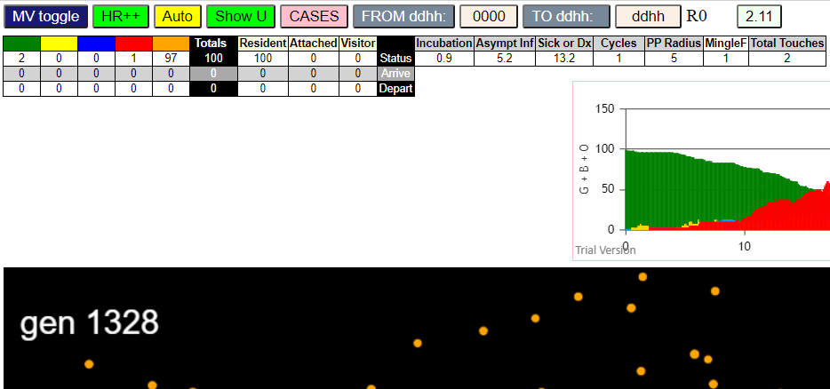
contactSimulation.js:2000 26I j:famKey 83:-1 infected by red i:famKey 25:-1 at gen 278 in Univ0
contactSimulation.js:2000 27I j:famKey 62:-1 infected by red i:famKey 21:-1 at gen 281 in Univ0
contactSimulation.js:2016 27I i:famKey 1:-1 infected by red j:famKey 95:-1 at gen 282 in U0
contactSimulation.js:2016 29I i:famKey 27:-1 infected by red j:famKey 95:-1 at gen 296 in U0
contactSimulation.js:2000 30I j:famKey 90:-1 infected by red i:famKey 25:-1 at gen 308 in Univ0
contactSimulation.js:2000 31I j:famKey 61:-1 infected by red i:famKey 21:-1 at gen 315 in Univ0
contactSimulation.js:2016 31I i:famKey 66:-1 infected by red j:famKey 76:-1 at gen 316 in U0
contactSimulation.js:2016 33I i:famKey 6:-1 infected by red j:famKey 21:-1 at gen 320 in U0
contactSimulation.js:2000 34I j:famKey 87:-1 infected by red i:famKey 21:-1 at gen 323 in Univ0
contactSimulation.js:2000 35I j:famKey 35:-1 infected by red i:famKey 16:-1 at gen 326 in Univ0
contactSimulation.js:2016 36I i:famKey 11:-1 infected by red j:famKey 25:-1 at gen 330 in U0
contactSimulation.js:2016 37I i:famKey 9:-1 infected by red j:famKey 16:-1 at gen 337 in U0
contactSimulation.js:2000 37I j:famKey 69:-1 infected by blue i:famKey 56:-1 at gen 337 in Univ0
contactSimulation.js:2000 39I j:famKey 79:-1 infected by red i:famKey 16:-1 at gen 340 in Univ0
contactSimulation.js:2016 40I i:famKey 73:-1 infected by blue j:famKey 96:-1 at gen 351 in U0
contactSimulation.js:2016 41I i:famKey 32:-1 infected by red j:famKey 88:-1 at gen 353 in U0
contactSimulation.js:2016 41I i:famKey 81:-1 infected by red j:famKey 94:-1 at gen 353 in U0
contactSimulation.js:2016 43I i:famKey 55:-1 infected by blue j:famKey 56:-1 at gen 355 in U0
contactSimulation.js:2016 43I i:famKey 28:-1 infected by red j:famKey 56:-1 at gen 356 in U0
contactSimulation.js:2016 45I i:famKey 37:-1 infected by red j:famKey 95:-1 at gen 359 in U0
contactSimulation.js:2016 46I i:famKey 22:-1 infected by red j:famKey 84:-1 at gen 371 in U0
contactSimulation.js:2016 46I i:famKey 2:-1 infected by red j:famKey 16:-1 at gen 372 in U0
contactSimulation.js:2016 48I i:famKey 24:-1 infected by red j:famKey 80:-1 at gen 375 in U0
contactSimulation.js:2000 49I j:famKey 75:-1 infected by blue i:famKey 1:-1 at gen 383 in Univ0
contactSimulation.js:2000 50I j:famKey 50:-1 infected by blue i:famKey 1:-1 at gen 386 in Univ0
contactSimulation.js:2016 50I i:famKey 40:-1 infected by red j:famKey 94:-1 at gen 387 in U0
contactSimulation.js:2000 52I j:famKey 46:-1 infected by blue i:famKey 11:-1 at gen 402 in Univ0
contactSimulation.js:2000 53I j:famKey 85:-1 infected by blue i:famKey 6:-1 at gen 411 in Univ0
contactSimulation.js:2016 53I i:famKey 42:-1 infected by blue j:famKey 69:-1 at gen 411 in U0
contactSimulation.js:2016 53I i:famKey 45:-1 infected by red j:famKey 77:-1 at gen 412 in U0
contactSimulation.js:2000 55I j:famKey 63:-1 infected by blue i:famKey 61:-1 at gen 413 in Univ0
contactSimulation.js:2016 56I i:famKey 67:-1 infected by blue j:famKey 87:-1 at gen 414 in U0
contactSimulation.js:2000 58I j:famKey 20:-1 infected by red i:famKey 1:-1 at gen 419 in Univ0
contactSimulation.js:2016 58I i:famKey 0:-1 infected by blue j:famKey 87:-1 at gen 420 in U0
contactSimulation.js:2000 58I j:famKey 82:-1 infected by red i:famKey 56:-1 at gen 420 in Univ0
contactSimulation.js:2000 61I j:famKey 91:-1 infected by blue i:famKey 61:-1 at gen 427 in Univ0
contactSimulation.js:2016 62I i:famKey 53:-1 infected by red j:famKey 60:-1 at gen 436 in U0
contactSimulation.js:2016 63I i:famKey 65:-1 infected by red j:famKey 87:-1 at gen 444 in U0
contactSimulation.js:2000 64I j:famKey 74:-1 infected by red i:famKey 6:-1 at gen 446 in Univ0
contactSimulation.js:2016 65I i:famKey 29:-1 infected by red j:famKey 96:-1 at gen 452 in U0
contactSimulation.js:2016 66I i:famKey 36:-1 infected by blue j:famKey 81:-1 at gen 457 in U0
contactSimulation.js:2016 67I i:famKey 31:-1 infected by red j:famKey 96:-1 at gen 471 in U0
contactSimulation.js:2016 68I i:famKey 23:-1 infected by red j:famKey 84:-1 at gen 479 in U0
contactSimulation.js:2016 69I i:famKey 15:-1 infected by red j:famKey 84:-1 at gen 486 in U0
contactSimulation.js:2016 69I i:famKey 3:-1 infected by blue j:famKey 24:-1 at gen 487 in U0
contactSimulation.js:2000 71I j:famKey 98:-1 infected by red i:famKey 28:-1 at gen 502 in Univ0
contactSimulation.js:2000 72I j:famKey 12:-1 infected by red i:famKey 1:-1 at gen 515 in Univ0
contactSimulation.js:2016 72I i:famKey 34:-1 infected by blue j:famKey 46:-1 at gen 516 in U0
contactSimulation.js:2016 74I i:famKey 59:-1 infected by red j:famKey 67:-1 at gen 535 in U0
contactSimulation.js:2016 75I i:famKey 47:-1 infected by blue j:famKey 82:-1 at gen 541 in U0
contactSimulation.js:2000 76I j:famKey 71:-1 infected by blue i:famKey 53:-1 at gen 548 in Univ0
contactSimulation.js:2000 77I j:famKey 43:-1 infected by blue i:famKey 29:-1 at gen 552 in Univ0
contactSimulation.js:2000 78I j:famKey 99:-1 infected by blue i:famKey 36:-1 at gen 567 in Univ0
contactSimulation.js:2016 79I i:famKey 17:-1 infected by red j:famKey 82:-1 at gen 570 in U0
contactSimulation.js:2000 79I j:famKey 64:-1 infected by red i:famKey 2:-1 at gen 571 in Univ0
contactSimulation.js:2000 80I j:famKey 92:-1 infected by red i:famKey 82:-1 at gen 572 in Univ0
contactSimulation.js:2000 82I j:famKey 93:-1 infected by red i:famKey 28:-1 at gen 582 in Univ0
contactSimulation.js:2016 82I i:famKey 30:-1 infected by red j:famKey 40:-1 at gen 583 in U0
contactSimulation.js:2016 84I i:famKey 26:-1 infected by red j:famKey 36:-1 at gen 585 in U0
contactSimulation.js:2016 85I i:famKey 8:-1 infected by red j:famKey 40:-1 at gen 587 in U0
contactSimulation.js:2016 86I i:famKey 18:-1 infected by red j:famKey 63:-1 at gen 591 in U0
contactSimulation.js:2000 87I j:famKey 51:-1 infected by red i:famKey 2:-1 at gen 606 in Univ0
contactSimulation.js:2000 88I j:famKey 52:-1 infected by blue i:famKey 43:-1 at gen 656 in Univ0
contactSimulation.js:2016 89I i:famKey 86:-1 infected by blue j:famKey 99:-1 at gen 681 in U0
contactSimulation.js:2016 90I i:famKey 4:-1 infected by red j:famKey 34:-1 at gen 697 in U0
contactSimulation.js:2000 91I j:famKey 70:-1 infected by red i:famKey 51:-1 at gen 724 in Univ0
contactSimulation.js:2016 92I i:famKey 13:-1 infected by red j:famKey 34:-1 at gen 731 in U0
contactSimulation.js:2000 93I j:famKey 49:-1 infected by red i:famKey 23:-1 at gen 748 in Univ0
contactSimulation.js:2016 94I i:famKey 7:-1 infected by red j:famKey 18:-1 at gen 755 in U0
contactSimulation.js:2000 95I j:famKey 54:-1 infected by red i:famKey 34:-1 at gen 803 in Univ0
contactSimulation.js:2016 96I i:famKey 38:-1 infected by red j:famKey 51:-1 at gen 831 in U0
contactSimulation.js:2016 97I i:famKey 10:-1 infected by red j:famKey 54:-1 at gen 1013 in U0

0.4
contactSimulation.js:4162 exit covidSim
contactSimulation.js:23 getAsText File {name: "HundredAgentsU0mF1.csv", lastModified: 1608077990000, lastModifiedDate: Tue Dec 15 2020 16:19:50 GMT-0800 (Pacific Standard Time), webkitRelativePath: "", size: 2140, …}
contactSimulation.js:32 File {name: "HundredAgentsU0mF1.csv", lastModified: 1608077990000, lastModifiedDate: Tue Dec 15 2020 16:19:50 GMT-0800 (Pacific Standard Time), webkitRelativePath: "", size: 2140, …}
contactSimulation.js:23 getAsText File {name: "VL1.-2.9D.csv", lastModified: 1608491880000, lastModifiedDate: Sun Dec 20 2020 11:18:00 GMT-0800 (Pacific Standard Time), webkitRelativePath: "", size: 65, …}
contactSimulation.js:32 File {name: "VL1.-2.9D.csv", lastModified: 1608491880000, lastModifiedDate: Sun Dec 20 2020 11:18:00 GMT-0800 (Pacific Standard Time), webkitRelativePath: "", size: 65, …}
contactSimulation.js:2000 1I j:famKey 87:-1 infected by blue i:famKey 5:-1 at gen 9 in Univ0
contactSimulation.js:2016 2I i:famKey 4:-1 infected by blue j:famKey 5:-1 at gen 29 in U0
contactSimulation.js:2000 3I j:famKey 7:-1 infected by blue i:famKey 4:-1 at gen 108 in Univ0
contactSimulation.js:2016 4I i:famKey 32:-1 infected by blue j:famKey 87:-1 at gen 116 in U0
contactSimulation.js:2000 4I j:famKey 73:-1 infected by red i:famKey 5:-1 at gen 117 in Univ0
contactSimulation.js:2000 6I j:famKey 15:-1 infected by red i:famKey 5:-1 at gen 126 in Univ0
contactSimulation.js:2000 6I j:famKey 96:-1 infected by red i:famKey 5:-1 at gen 126 in Univ0
contactSimulation.js:2000 8I j:famKey 58:-1 infected by blue i:famKey 4:-1 at gen 128 in Univ0
contactSimulation.js:2016 8I i:famKey 26:-1 infected by red j:famKey 87:-1 at gen 129 in U0
contactSimulation.js:2000 9I j:famKey 63:-1 infected by blue i:famKey 4:-1 at gen 130 in Univ0
contactSimulation.js:2000 10I j:famKey 54:-1 infected by red i:famKey 5:-1 at gen 131 in Univ0
contactSimulation.js:2000 12I j:famKey 99:-1 infected by red i:famKey 87:-1 at gen 135 in Univ0
contactSimulation.js:2000 12I j:famKey 62:-1 infected by red i:famKey 5:-1 at gen 136 in Univ0
contactSimulation.js:2000 14I j:famKey 92:-1 infected by blue i:famKey 7:-1 at gen 193 in Univ0
contactSimulation.js:2000 14I j:famKey 81:-1 infected by red i:famKey 4:-1 at gen 194 in Univ0
contactSimulation.js:2016 16I i:famKey 6:-1 infected by blue j:famKey 32:-1 at gen 197 in U0
contactSimulation.js:2000 17I j:famKey 65:-1 infected by blue i:famKey 7:-1 at gen 209 in Univ0
contactSimulation.js:2016 18I i:famKey 3:-1 infected by blue j:famKey 62:-1 at gen 215 in U0
contactSimulation.js:2000 19I j:famKey 98:-1 infected by red i:famKey 87:-1 at gen 223 in Univ0
contactSimulation.js:2000 20I j:famKey 67:-1 infected by blue i:famKey 54:-1 at gen 226 in Univ0
contactSimulation.js:2000 21I j:famKey 78:-1 infected by blue i:famKey 7:-1 at gen 232 in Univ0
contactSimulation.js:2016 22I i:famKey 29:-1 infected by red j:famKey 63:-1 at gen 243 in U0
contactSimulation.js:2016 22I i:famKey 47:-1 infected by blue j:famKey 58:-1 at gen 244 in U0
contactSimulation.js:2000 24I j:famKey 69:-1 infected by red i:famKey 63:-1 at gen 247 in Univ0
contactSimulation.js:2000 25I j:famKey 72:-1 infected by red i:famKey 7:-1 at gen 271 in Univ0
contactSimulation.js:2016 26I i:famKey 83:-1 infected by red j:famKey 96:-1 at gen 278 in U0
contactSimulation.js:2016 27I i:famKey 20:-1 infected by red j:famKey 58:-1 at gen 288 in U0
contactSimulation.js:2016 27I i:famKey 41:-1 infected by red j:famKey 62:-1 at gen 288 in U0
contactSimulation.js:2016 29I i:famKey 53:-1 infected by red j:famKey 73:-1 at gen 300 in U0
contactSimulation.js:2000 30I j:famKey 97:-1 infected by red i:famKey 32:-1 at gen 308 in Univ0
contactSimulation.js:2016 30I i:famKey 10:-1 infected by red j:famKey 92:-1 at gen 309 in U0
contactSimulation.js:2000 32I j:famKey 23:-1 infected by red i:famKey 15:-1 at gen 312 in Univ0
contactSimulation.js:2016 33I i:famKey 25:-1 infected by red j:famKey 63:-1 at gen 314 in U0
contactSimulation.js:2016 34I i:famKey 85:-1 infected by red j:famKey 92:-1 at gen 322 in U0
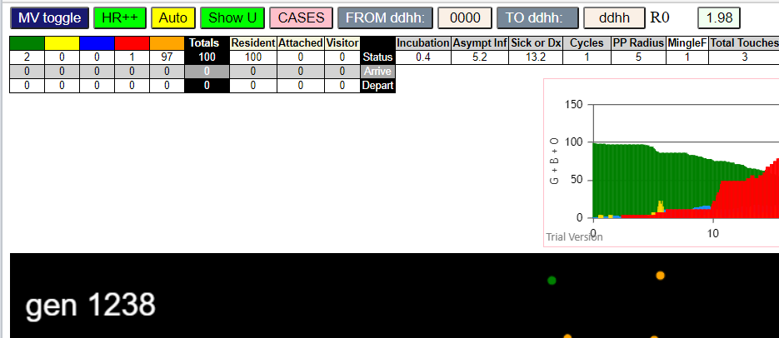
contactSimulation.js:2000 35I j:famKey 82:-1 infected by blue i:famKey 3:-1 at gen 332 in Univ0
contactSimulation.js:2016 36I i:famKey 0:-1 infected by blue j:famKey 78:-1 at gen 338 in U0
contactSimulation.js:2016 37I i:famKey 18:-1 infected by red j:famKey 73:-1 at gen 343 in U0
contactSimulation.js:2000 38I j:famKey 90:-1 infected by red i:famKey 73:-1 at gen 356 in Univ0
contactSimulation.js:2000 38I j:famKey 93:-1 infected by red i:famKey 78:-1 at gen 357 in Univ0
contactSimulation.js:2016 39I i:famKey 43:-1 infected by red j:famKey 73:-1 at gen 358 in U0
contactSimulation.js:2000 41I j:famKey 91:-1 infected by red i:famKey 6:-1 at gen 361 in Univ0
contactSimulation.js:2000 42I j:famKey 84:-1 infected by red i:famKey 15:-1 at gen 369 in Univ0
contactSimulation.js:2016 43I i:famKey 56:-1 infected by blue j:famKey 72:-1 at gen 371 in U0
contactSimulation.js:2000 43I j:famKey 33:-1 infected by red i:famKey 7:-1 at gen 372 in Univ0
contactSimulation.js:2016 45I i:famKey 64:-1 infected by red j:famKey 99:-1 at gen 389 in U0
contactSimulation.js:2016 46I i:famKey 11:-1 infected by red j:famKey 29:-1 at gen 396 in U0
contactSimulation.js:2016 47I i:famKey 50:-1 infected by red j:famKey 81:-1 at gen 399 in U0
contactSimulation.js:2016 48I i:famKey 51:-1 infected by red j:famKey 83:-1 at gen 402 in U0
contactSimulation.js:2000 48I j:famKey 77:-1 infected by red i:famKey 72:-1 at gen 403 in Univ0
contactSimulation.js:2000 49I j:famKey 14:-1 infected by blue i:famKey 10:-1 at gen 404 in Univ0
contactSimulation.js:2000 51I j:famKey 16:-1 infected by red i:famKey 3:-1 at gen 410 in Univ0
contactSimulation.js:2016 52I i:famKey 40:-1 infected by blue j:famKey 82:-1 at gen 412 in U0
contactSimulation.js:2016 53I i:famKey 48:-1 infected by red j:famKey 72:-1 at gen 417 in U0
contactSimulation.js:2000 54I j:famKey 35:-1 infected by red i:famKey 25:-1 at gen 432 in Univ0
contactSimulation.js:2000 55I j:famKey 88:-1 infected by red i:famKey 23:-1 at gen 440 in Univ0
contactSimulation.js:2016 56I i:famKey 2:-1 infected by blue j:famKey 82:-1 at gen 444 in U0
contactSimulation.js:2016 57I i:famKey 44:-1 infected by red j:famKey 72:-1 at gen 453 in U0
contactSimulation.js:2016 57I i:famKey 34:-1 infected by blue j:famKey 90:-1 at gen 454 in U0
contactSimulation.js:2016 59I i:famKey 37:-1 infected by red j:famKey 53:-1 at gen 457 in U0
contactSimulation.js:2000 60I j:famKey 49:-1 infected by blue i:famKey 33:-1 at gen 459 in Univ0
contactSimulation.js:2016 60I i:famKey 71:-1 infected by blue j:famKey 91:-1 at gen 460 in U0
contactSimulation.js:2016 62I i:famKey 28:-1 infected by red j:famKey 72:-1 at gen 466 in U0
contactSimulation.js:2016 63I i:famKey 31:-1 infected by red j:famKey 72:-1 at gen 484 in U0
contactSimulation.js:2000 64I j:famKey 86:-1 infected by red i:famKey 25:-1 at gen 488 in Univ0
contactSimulation.js:2016 65I i:famKey 8:-1 infected by blue j:famKey 51:-1 at gen 501 in U0
contactSimulation.js:2016 66I i:famKey 80:-1 infected by red j:famKey 82:-1 at gen 510 in U0
contactSimulation.js:2000 67I j:famKey 75:-1 infected by blue i:famKey 2:-1 at gen 517 in Univ0
contactSimulation.js:2016 68I i:famKey 74:-1 infected by red j:famKey 84:-1 at gen 526 in U0
contactSimulation.js:2016 69I i:famKey 36:-1 infected by blue j:famKey 40:-1 at gen 529 in U0
contactSimulation.js:2016 70I i:famKey 38:-1 infected by red j:famKey 82:-1 at gen 544 in U0
contactSimulation.js:2016 71I i:famKey 79:-1 infected by red j:famKey 90:-1 at gen 549 in U0
contactSimulation.js:2016 72I i:famKey 76:-1 infected by red j:famKey 84:-1 at gen 577 in U0
contactSimulation.js:2016 73I i:famKey 46:-1 infected by red j:famKey 82:-1 at gen 592 in U0
contactSimulation.js:2000 74I j:famKey 70:-1 infected by red i:famKey 40:-1 at gen 597 in Univ0
contactSimulation.js:2000 74I j:famKey 55:-1 infected by red i:famKey 43:-1 at gen 597 in Univ0
contactSimulation.js:2016 76I i:famKey 27:-1 infected by red j:famKey 40:-1 at gen 620 in U0
contactSimulation.js:2016 77I i:famKey 17:-1 infected by red j:famKey 56:-1 at gen 624 in U0
contactSimulation.js:2016 78I i:famKey 1:-1 infected by blue j:famKey 80:-1 at gen 627 in U0
contactSimulation.js:2000 79I j:famKey 60:-1 infected by red i:famKey 34:-1 at gen 633 in Univ0
contactSimulation.js:2000 80I j:famKey 59:-1 infected by red i:famKey 51:-1 at gen 637 in Univ0
contactSimulation.js:2000 81I j:famKey 19:-1 infected by red i:famKey 16:-1 at gen 641 in Univ0
contactSimulation.js:2000 82I j:famKey 57:-1 infected by red i:famKey 16:-1 at gen 648 in Univ0
contactSimulation.js:2000 83I j:famKey 61:-1 infected by red i:famKey 36:-1 at gen 663 in Univ0
contactSimulation.js:2016 84I i:famKey 24:-1 infected by red j:famKey 37:-1 at gen 672 in U0
contactSimulation.js:2000 85I j:famKey 94:-1 infected by red i:famKey 37:-1 at gen 681 in Univ0
contactSimulation.js:2016 86I i:famKey 13:-1 infected by red j:famKey 86:-1 at gen 685 in U0
contactSimulation.js:2016 86I i:famKey 22:-1 infected by red j:famKey 80:-1 at gen 685 in U0
contactSimulation.js:2000 88I j:famKey 95:-1 infected by blue i:famKey 70:-1 at gen 704 in Univ0
contactSimulation.js:2000 89I j:famKey 66:-1 infected by red i:famKey 8:-1 at gen 720 in Univ0
contactSimulation.js:2016 90I i:famKey 52:-1 infected by blue j:famKey 60:-1 at gen 735 in U0
contactSimulation.js:2000 91I j:famKey 39:-1 infected by blue i:famKey 19:-1 at gen 739 in Univ0
contactSimulation.js:2000 92I j:famKey 68:-1 infected by red i:famKey 46:-1 at gen 754 in Univ0
contactSimulation.js:2000 93I j:famKey 21:-1 infected by red i:famKey 19:-1 at gen 770 in Univ0
contactSimulation.js:2016 94I i:famKey 42:-1 infected by red j:famKey 57:-1 at gen 796 in U0
contactSimulation.js:2016 95I i:famKey 45:-1 infected by red j:famKey 52:-1 at gen 870 in U0
contactSimulation.js:2016 96I i:famKey 12:-1 infected by red j:famKey 94:-1 at gen 881 in U0
contactSimulation.js:2016 97I i:famKey 9:-1 infected by red j:famKey 57:-1 at gen 932 in U0

0.4+R5.5
contactSimulation.js:4162 exit covidSim
contactSimulation.js:23 getAsText File {name: "HundredAgentsU0mF1.csv", lastModified: 1608077990000, lastModifiedDate: Tue Dec 15 2020 16:19:50 GMT-0800 (Pacific Standard Time), webkitRelativePath: "", size: 2140, …}
contactSimulation.js:32 File {name: "HundredAgentsU0mF1.csv", lastModified: 1608077990000, lastModifiedDate: Tue Dec 15 2020 16:19:50 GMT-0800 (Pacific Standard Time), webkitRelativePath: "", size: 2140, …}
contactSimulation.js:23 getAsText File {name: "VL1.-2.9D.csv", lastModified: 1608491880000, lastModifiedDate: Sun Dec 20 2020 11:18:00 GMT-0800 (Pacific Standard Time), webkitRelativePath: "", size: 65, …}
contactSimulation.js:32 File {name: "VL1.-2.9D.csv", lastModified: 1608491880000, lastModifiedDate: Sun Dec 20 2020 11:18:00 GMT-0800 (Pacific Standard Time), webkitRelativePath: "", size: 65, …}
contactSimulation.js:2000 1I j:famKey 34:-1 infected by red i:famKey 5:-1 at gen 50 in Univ0
contactSimulation.js:2000 2I j:famKey 33:-1 infected by red i:famKey 5:-1 at gen 77 in Univ0
contactSimulation.js:2000 3I j:famKey 63:-1 infected by red i:famKey 5:-1 at gen 84 in Univ0
contactSimulation.js:2000 4I j:famKey 22:-1 infected by red i:famKey 5:-1 at gen 145 in Univ0
contactSimulation.js:2000 5I j:famKey 83:-1 infected by red i:famKey 5:-1 at gen 166 in Univ0
contactSimulation.js:2016 6I i:famKey 19:-1 infected by red j:famKey 34:-1 at gen 186 in U0
contactSimulation.js:2000 7I j:famKey 23:-1 infected by red i:famKey 5:-1 at gen 197 in Univ0
contactSimulation.js:2000 7I j:famKey 82:-1 infected by red i:famKey 5:-1 at gen 197 in Univ0
contactSimulation.js:2000 7I j:famKey 96:-1 infected by red i:famKey 34:-1 at gen 197 in Univ0
contactSimulation.js:2000 10I j:famKey 37:-1 infected by red i:famKey 34:-1 at gen 210 in Univ0
contactSimulation.js:2016 11I i:famKey 17:-1 infected by red j:famKey 63:-1 at gen 212 in U0
contactSimulation.js:2000 12I j:famKey 53:-1 infected by red i:famKey 34:-1 at gen 214 in Univ0
contactSimulation.js:2000 12I j:famKey 64:-1 infected by red i:famKey 63:-1 at gen 215 in Univ0
contactSimulation.js:2016 14I i:famKey 25:-1 infected by red j:famKey 63:-1 at gen 238 in U0
contactSimulation.js:2000 15I j:famKey 40:-1 infected by red i:famKey 34:-1 at gen 247 in Univ0
contactSimulation.js:2000 15I j:famKey 92:-1 infected by blue i:famKey 22:-1 at gen 248 in Univ0
contactSimulation.js:2016 17I i:famKey 14:-1 infected by red j:famKey 63:-1 at gen 268 in U0
contactSimulation.js:2000 18I j:famKey 80:-1 infected by red i:famKey 63:-1 at gen 278 in Univ0
contactSimulation.js:2016 19I i:famKey 13:-1 infected by blue j:famKey 82:-1 at gen 296 in U0
contactSimulation.js:2016 20I i:famKey 94:-1 infected by blue j:famKey 96:-1 at gen 299 in U0
contactSimulation.js:2000 21I j:famKey 87:-1 infected by red i:famKey 33:-1 at gen 304 in Univ0
contactSimulation.js:2000 22I j:famKey 79:-1 infected by blue i:famKey 37:-1 at gen 307 in Univ0
contactSimulation.js:2016 23I i:famKey 9:-1 infected by blue j:famKey 23:-1 at gen 311 in U0
contactSimulation.js:2016 23I i:famKey 3:-1 infected by blue j:famKey 96:-1 at gen 312 in U0
contactSimulation.js:2000 24I j:famKey 54:-1 infected by blue i:famKey 23:-1 at gen 313 in Univ0
contactSimulation.js:2000 26I j:famKey 29:-1 infected by red i:famKey 19:-1 at gen 320 in Univ0
contactSimulation.js:2016 27I i:famKey 15:-1 infected by blue j:famKey 64:-1 at gen 326 in U0
contactSimulation.js:2016 28I i:famKey 16:-1 infected by red j:famKey 82:-1 at gen 332 in U0
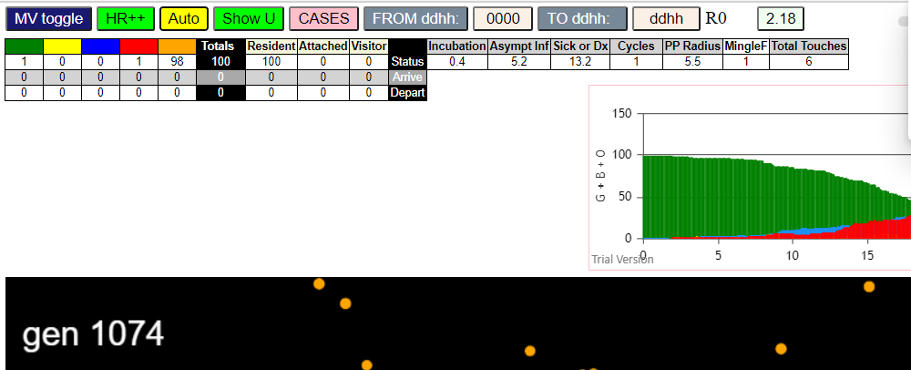
contactSimulation.js:2016 29I i:famKey 6:-1 infected by blue j:famKey 25:-1 at gen 335 in U0
contactSimulation.js:2000 30I j:famKey 98:-1 infected by red i:famKey 19:-1 at gen 341 in Univ0
contactSimulation.js:2000 31I j:famKey 95:-1 infected by red i:famKey 19:-1 at gen 358 in Univ0
contactSimulation.js:2016 31I i:famKey 7:-1 infected by red j:famKey 19:-1 at gen 359 in U0
contactSimulation.js:2016 33I i:famKey 11:-1 infected by red j:famKey 53:-1 at gen 365 in U0
contactSimulation.js:2016 34I i:famKey 70:-1 infected by red j:famKey 96:-1 at gen 368 in U0
contactSimulation.js:2000 34I j:famKey 90:-1 infected by red i:famKey 83:-1 at gen 369 in Univ0
contactSimulation.js:2016 36I i:famKey 45:-1 infected by red j:famKey 96:-1 at gen 378 in U0
contactSimulation.js:2016 37I i:famKey 1:-1 infected by red j:famKey 92:-1 at gen 380 in U0
contactSimulation.js:2016 38I i:famKey 20:-1 infected by blue j:famKey 79:-1 at gen 384 in U0
contactSimulation.js:2016 38I i:famKey 24:-1 infected by red j:famKey 40:-1 at gen 384 in U0
contactSimulation.js:2000 40I j:famKey 60:-1 infected by red i:famKey 53:-1 at gen 386 in Univ0
contactSimulation.js:2016 41I i:famKey 85:-1 infected by red j:famKey 96:-1 at gen 388 in U0
contactSimulation.js:2000 42I j:famKey 66:-1 infected by red i:famKey 14:-1 at gen 396 in Univ0
contactSimulation.js:2016 43I i:famKey 31:-1 infected by blue j:famKey 87:-1 at gen 400 in U0
contactSimulation.js:2000 43I j:famKey 91:-1 infected by blue i:famKey 87:-1 at gen 400 in Univ0
contactSimulation.js:2000 45I j:famKey 62:-1 infected by blue i:famKey 15:-1 at gen 406 in Univ0
contactSimulation.js:2016 46I i:famKey 50:-1 infected by red j:famKey 83:-1 at gen 412 in U0
contactSimulation.js:2000 47I j:famKey 69:-1 infected by blue i:famKey 9:-1 at gen 414 in Univ0
contactSimulation.js:2016 48I i:famKey 26:-1 infected by blue j:famKey 29:-1 at gen 418 in U0
contactSimulation.js:2000 49I j:famKey 48:-1 infected by red i:famKey 19:-1 at gen 420 in Univ0
contactSimulation.js:2000 50I j:famKey 73:-1 infected by red i:famKey 25:-1 at gen 428 in Univ0
contactSimulation.js:2016 50I i:famKey 71:-1 infected by red j:famKey 92:-1 at gen 428 in U0
contactSimulation.js:2016 52I i:famKey 44:-1 infected by red j:famKey 53:-1 at gen 430 in U0
contactSimulation.js:2000 53I j:famKey 72:-1 infected by blue i:famKey 3:-1 at gen 434 in Univ0
contactSimulation.js:2000 54I j:famKey 51:-1 infected by red i:famKey 40:-1 at gen 436 in Univ0
contactSimulation.js:2016 55I i:famKey 47:-1 infected by red j:famKey 96:-1 at gen 444 in U0
contactSimulation.js:2016 56I i:famKey 27:-1 infected by red j:famKey 94:-1 at gen 447 in U0
contactSimulation.js:2000 57I j:famKey 42:-1 infected by blue i:famKey 11:-1 at gen 455 in Univ0
contactSimulation.js:2000 57I j:famKey 84:-1 infected by red i:famKey 29:-1 at gen 455 in Univ0
contactSimulation.js:2016 59I i:famKey 2:-1 infected by red j:famKey 14:-1 at gen 459 in U0
contactSimulation.js:2000 60I j:famKey 78:-1 infected by red i:famKey 25:-1 at gen 463 in Univ0
contactSimulation.js:2000 61I j:famKey 88:-1 infected by red i:famKey 79:-1 at gen 466 in Univ0
...

0.4+R5.1
...
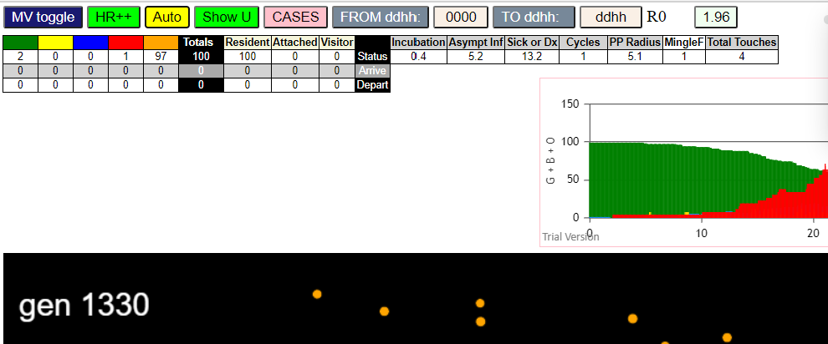
...

0.4+R5.6x2
...
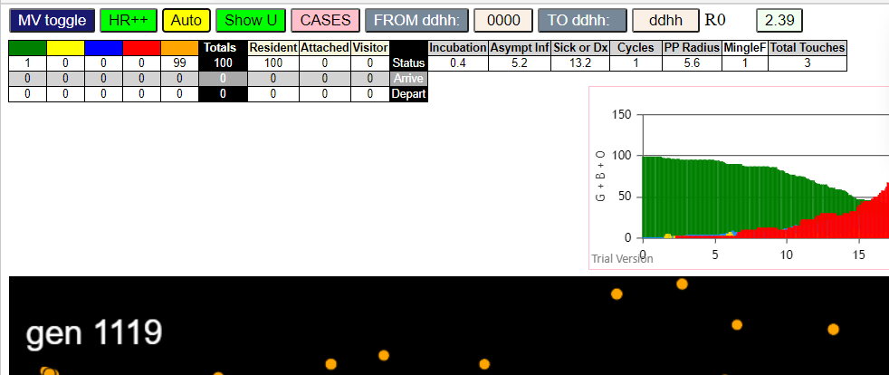
...

0.4+R5.6
...
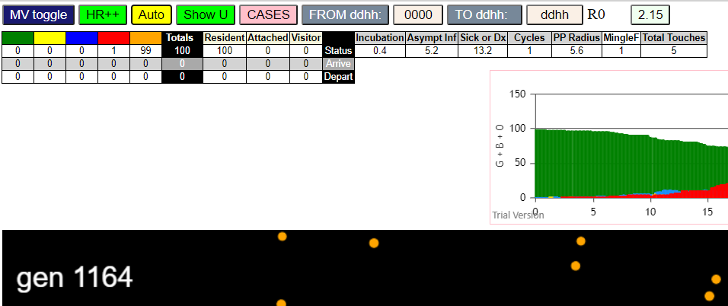
...

0.4+R5.4
...
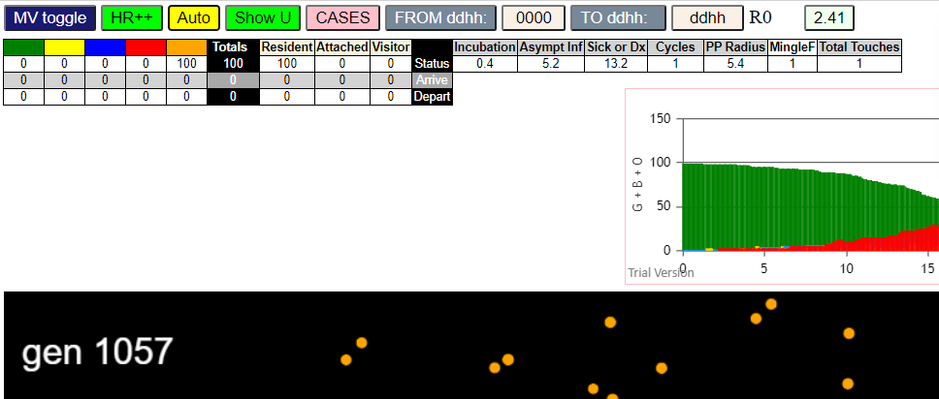
...

0.4+R5.3
...
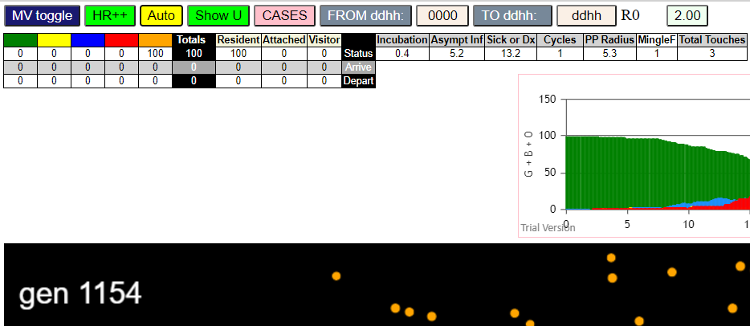
...

0.4+R5.2
...
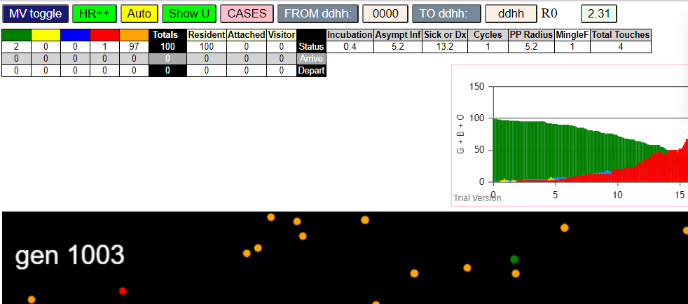
...

control
...
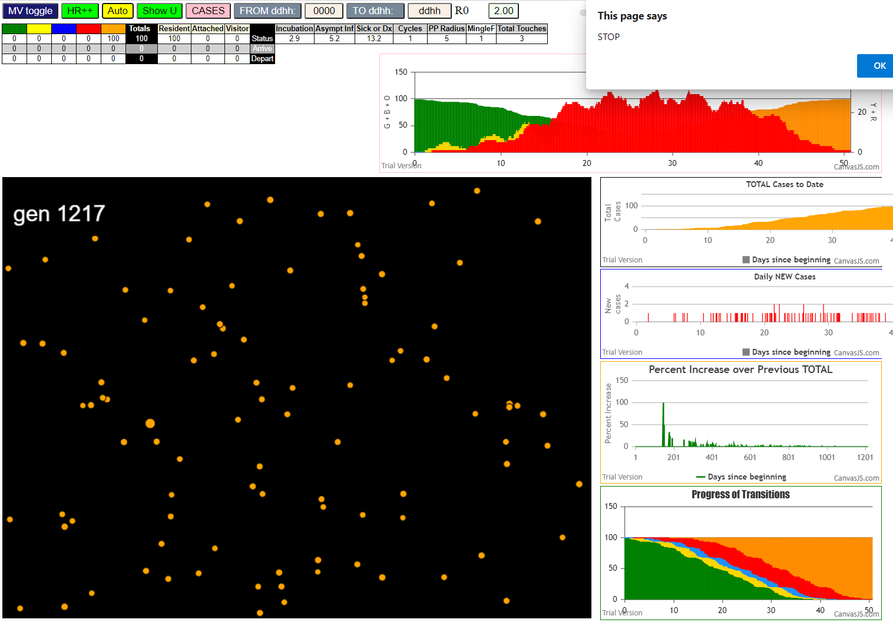
...

1.9-2
...
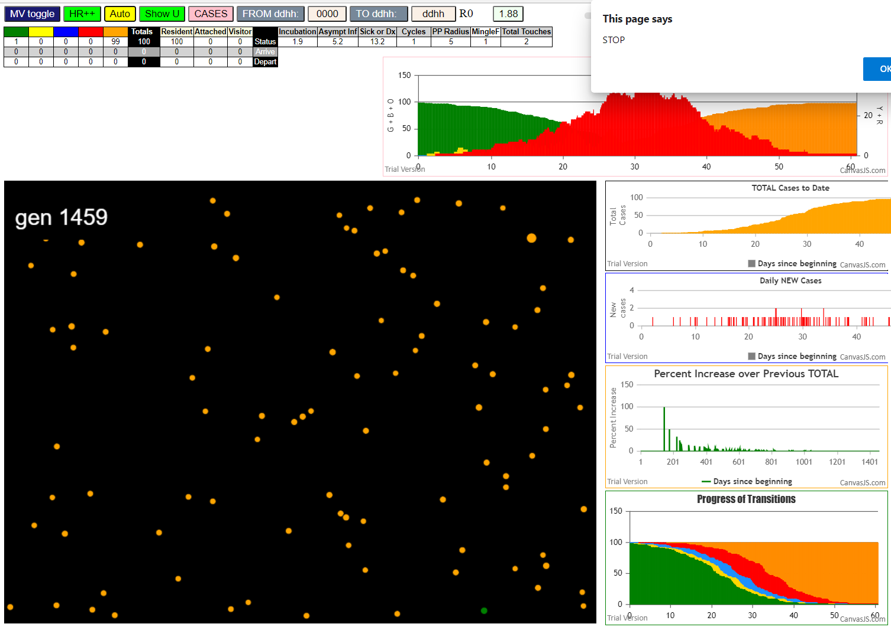
...

1.4-2
...
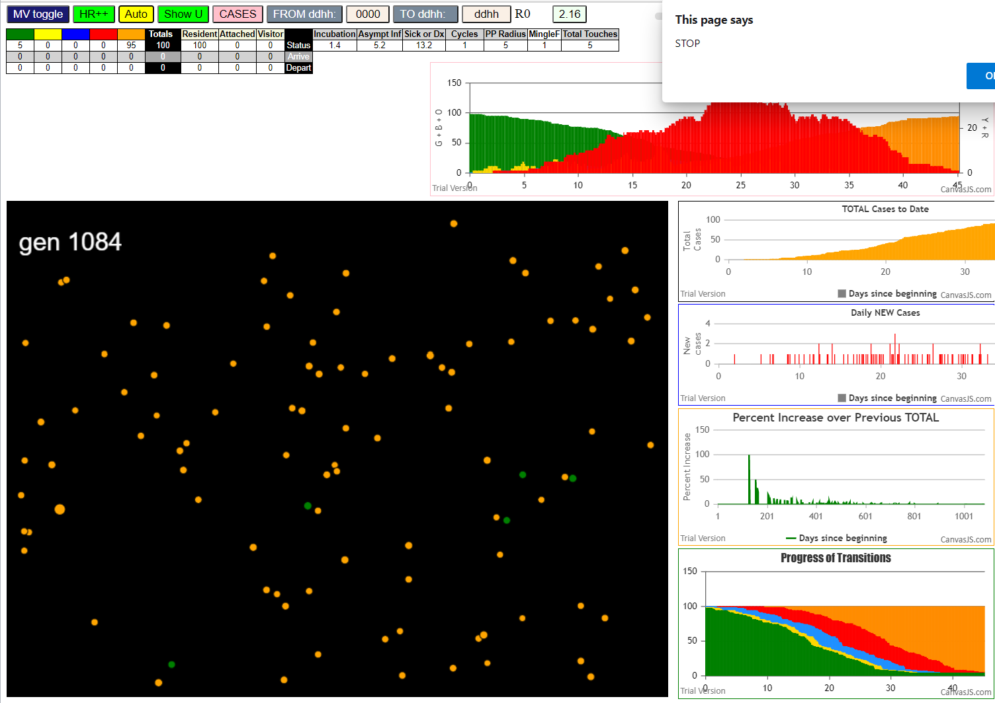
...

1.9-3
...
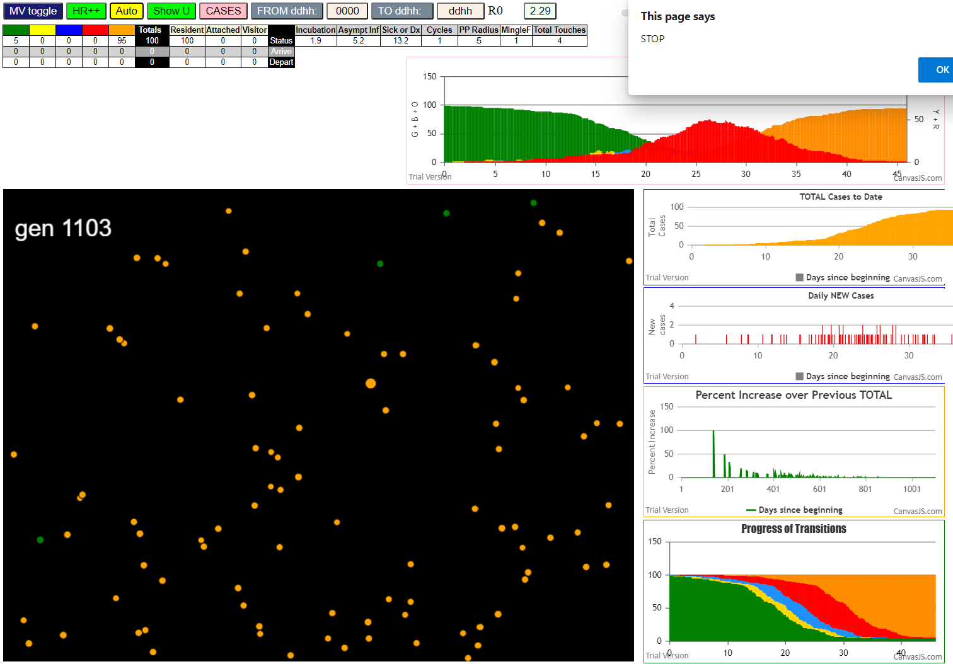
...

1.4-3
...
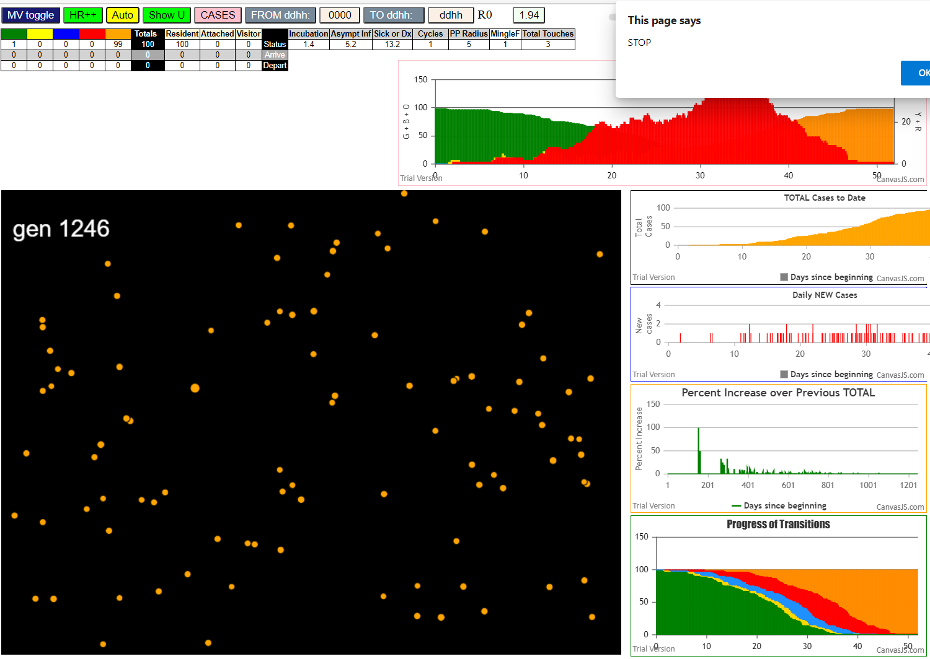
...

1.9-4
...
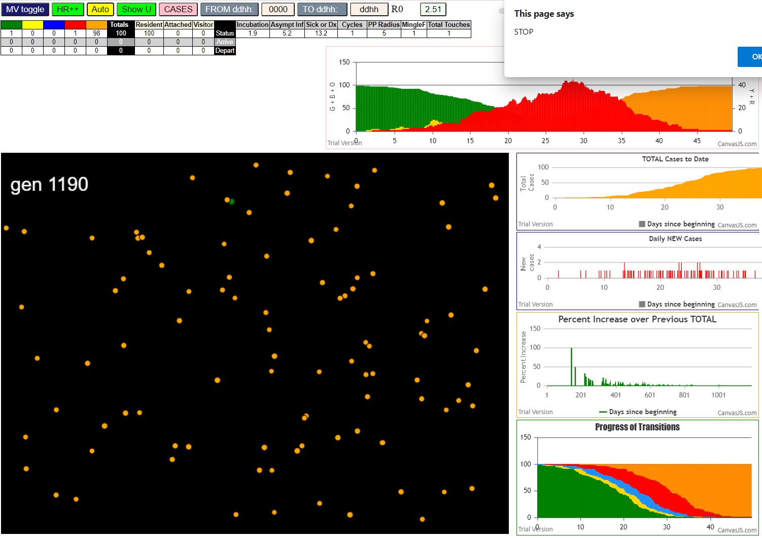
...

0.4+R6
...
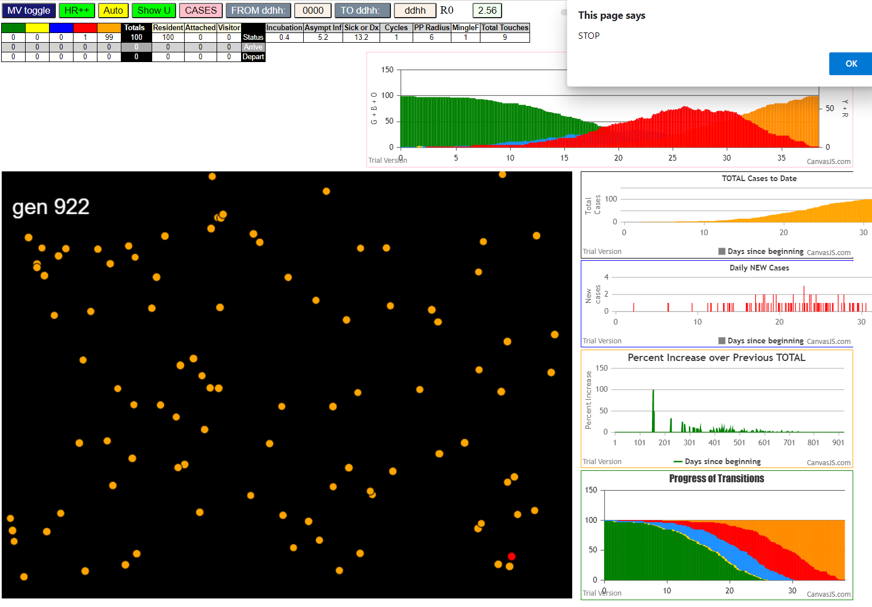
...

0.4+6.5
...
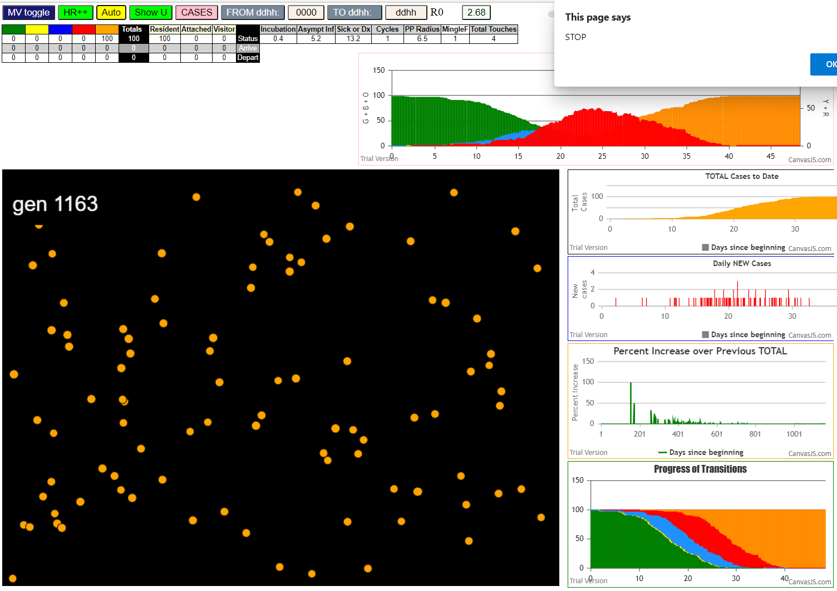
...

0.4+7
...
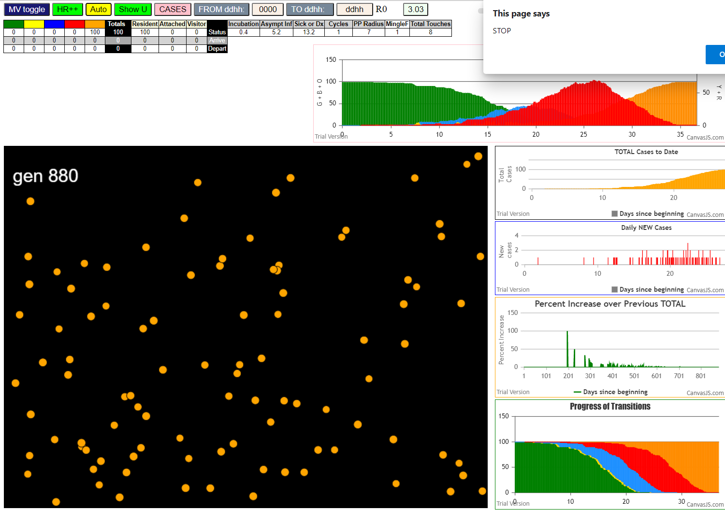
...

0.4+7.5
...
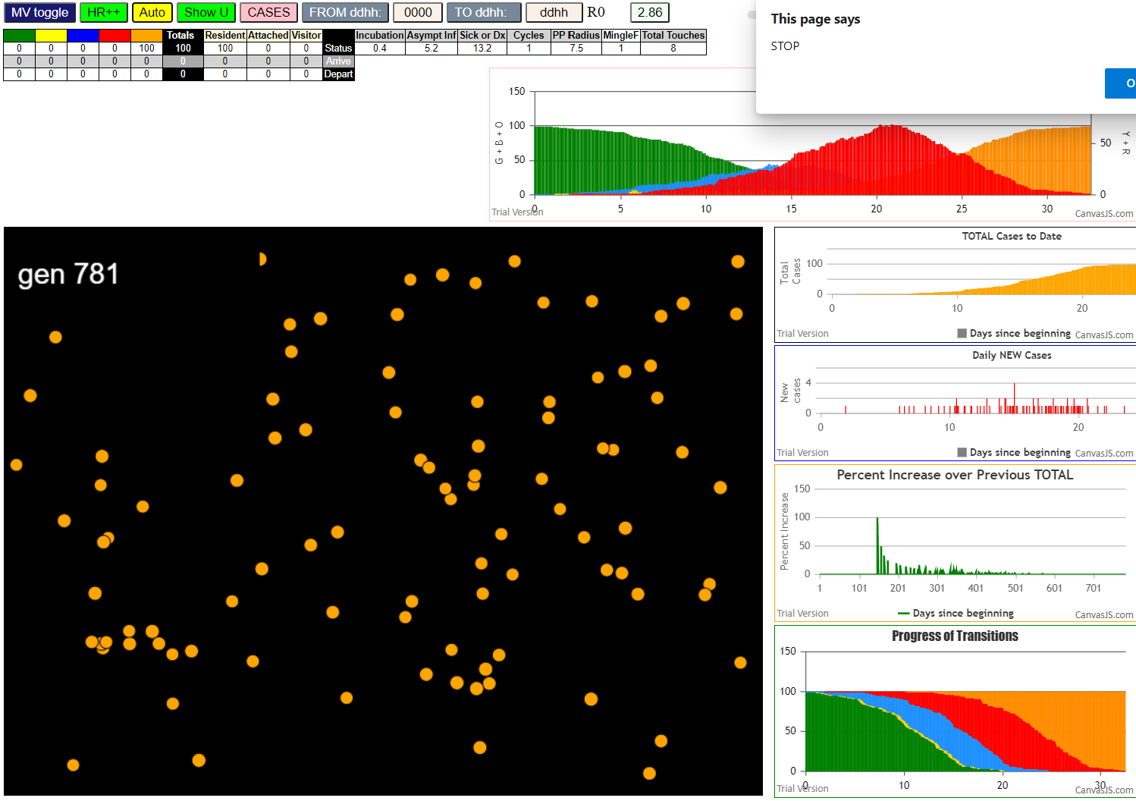
...

0.4+8
...
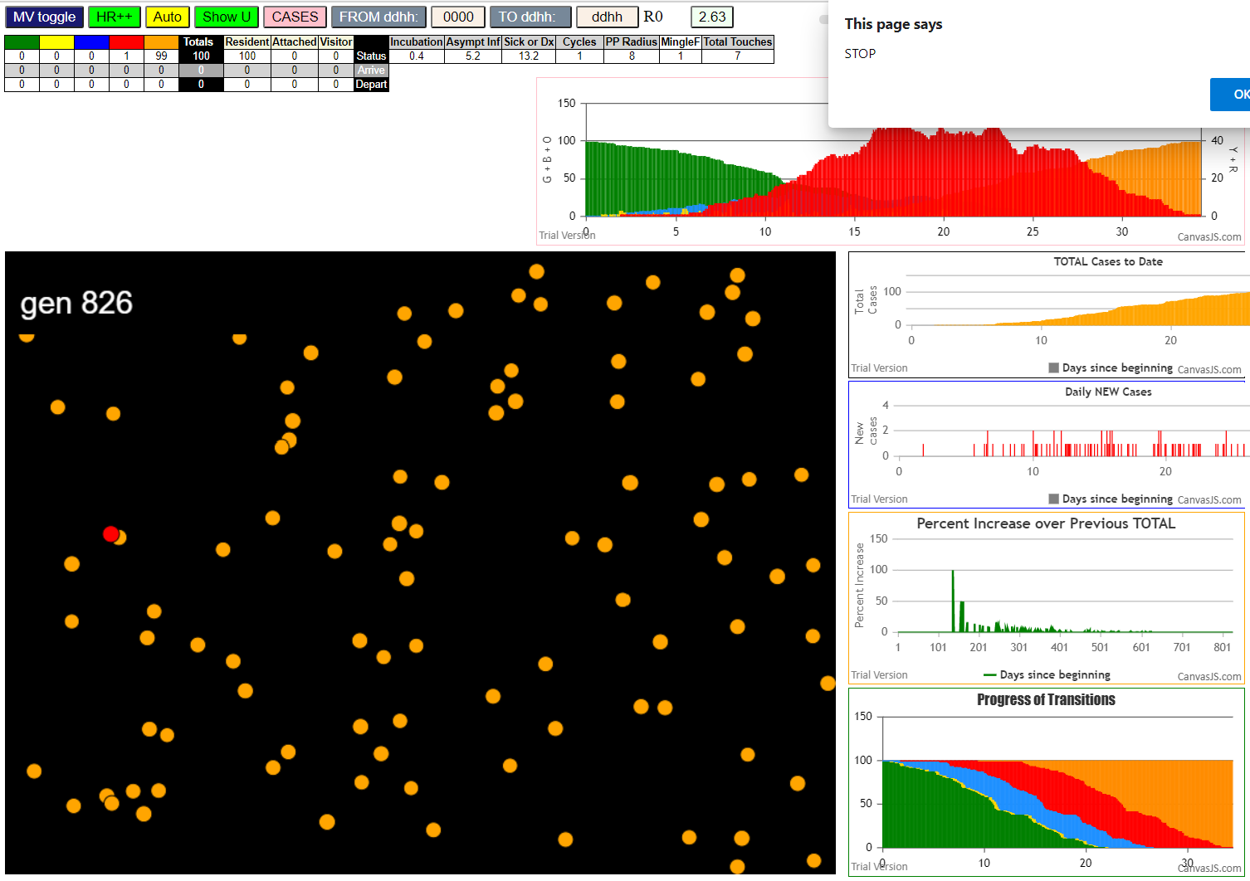
...

0.4+7.3
...
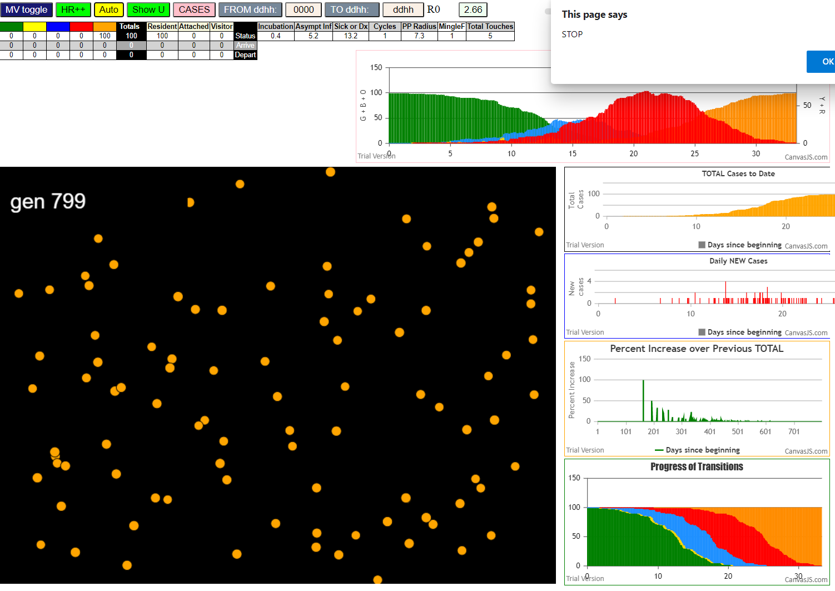
...

0.4_7.4
...
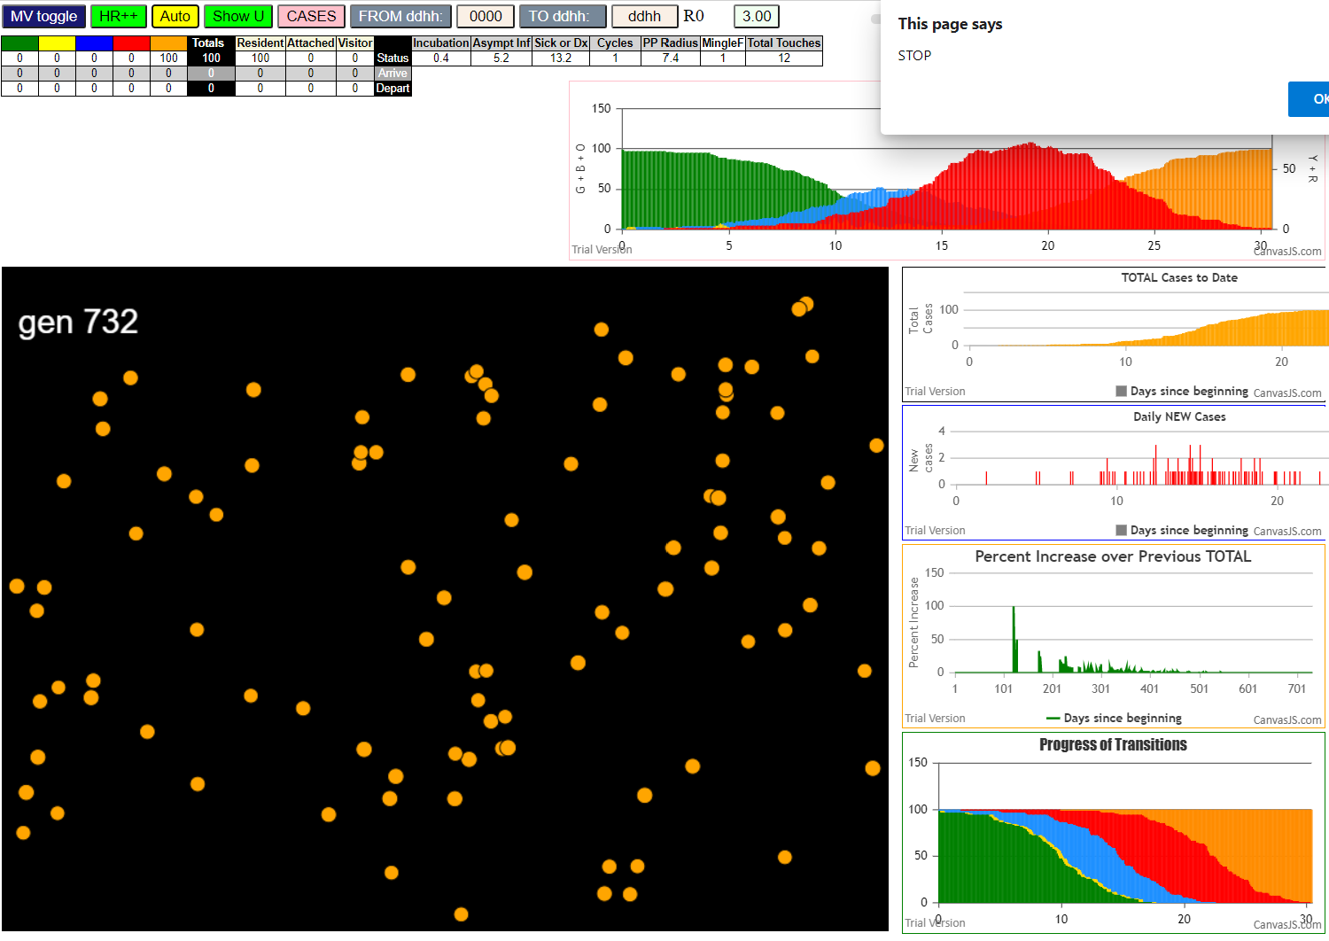
...

0.4+7.5-2
...
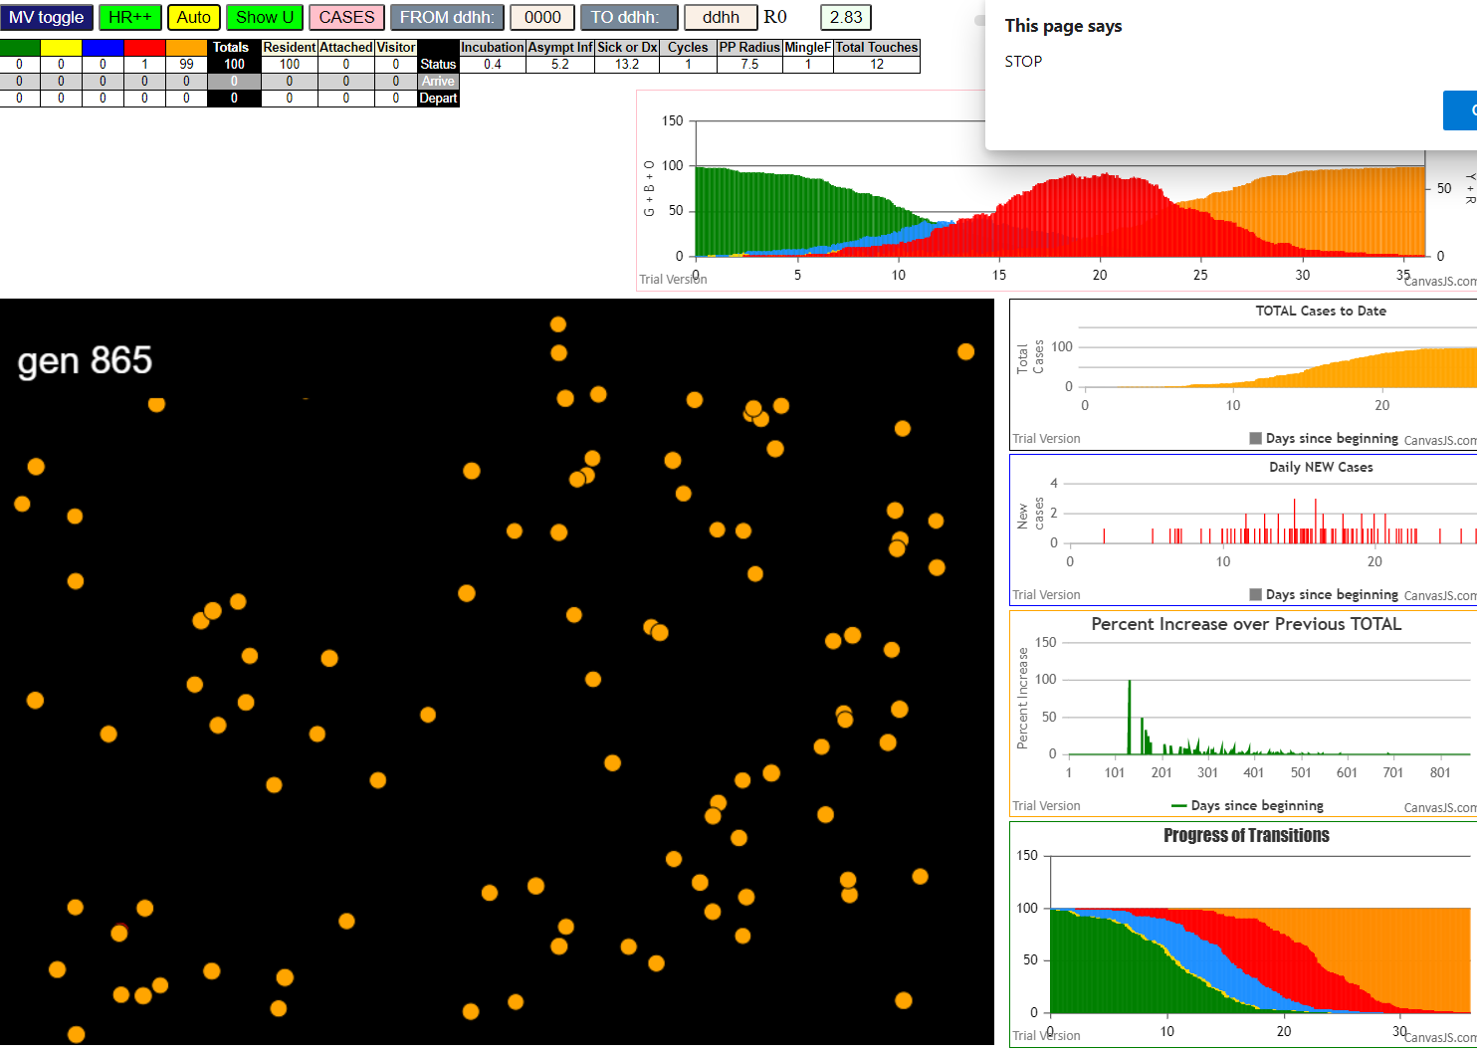
...

Sheet30
​ exit covidSim
​ getAsText File {name: "HundredAgentsU0mF1.csv", lastModified: 1608077990000, lastModifiedDate: Tue Dec 15 2020 16:19:50 GMT-0800 (Pacific Standard Time), webkitRelativePath: "", size: 2140, …}
​ File {name: "HundredAgentsU0mF1.csv", lastModified: 1608077990000, lastModifiedDate: Tue Dec 15 2020 16:19:50 GMT-0800 (Pacific Standard Time), webkitRelativePath: "", size: 2140, …}
​ getAsText File {name: "VL1.-2.9D.csv", lastModified: 1608491880000, lastModifiedDate: Sun Dec 20 2020 11:18:00 GMT-0800 (Pacific Standard Time), webkitRelativePath: "", size: 65, …}
​ File {name: "VL1.-2.9D.csv", lastModified: 1608491880000, lastModifiedDate: Sun Dec 20 2020 11:18:00 GMT-0800 (Pacific Standard Time), webkitRelativePath: "", size: 65, …}
​ calc vs tableVL 3.601035,1.97
​ calc vs tableVL 3.3662263417261227,1.97
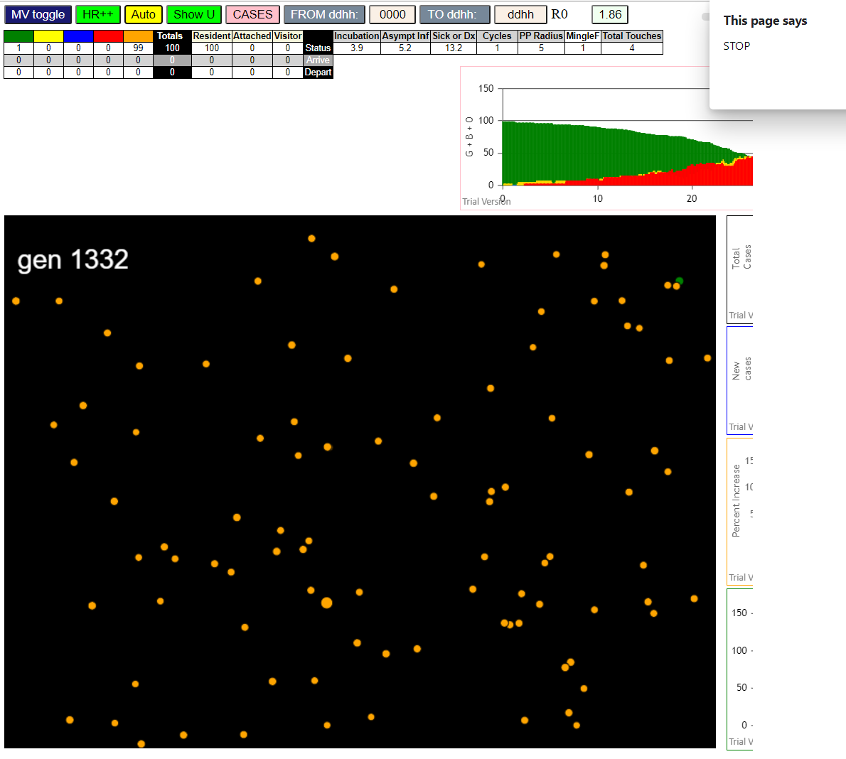
​ calc vs tableVL 2.864526325405283,1.97
​ calc vs tableVL 2.051257525887477,3.87
​ calc vs tableVL 3.777843780675888,3.87
​ calc vs tableVL 3.6207683628031595,3.87
​ calc vs tableVL 2.4236738745405457,3.87
​ calc vs tableVL 3.1931647183186587,3.87
​ calc vs tableVL 2.724241979137004,3.87
​ calc vs tableVL 3.440551740596251,3.87
​ calc vs tableVL 2.44612589517299,3.87
​ calc vs tableVL 2.644076156286887,3.87
​ calc vs tableVL 3.388839009378389,3.87
​ calc vs tableVL 3.760101833834886,3.87
​ calc vs tableVL 3.1898508599599924,3.87
​ calc vs tableVL 2.9752082550436905,3.87
​ calc vs tableVL 3.243482673898723,3.87
​ calc vs tableVL 2.6947038856231154,3.87
​ calc vs tableVL 3.308881789800802,3.87
​ calc vs tableVL 3.7202848006939067,3.87
​ calc vs tableVL 2.5087714708529067,3.87
​ calc vs tableVL 3.8320963940317387,3.87
​ calc vs tableVL 3.3952215674434902,3.87
​ calc vs tableVL 3.034221835570298,3.87
​ calc vs tableVL 3.046435905494914,3.87
​ calc vs tableVL 2.851387394177409,3.87
​ calc vs tableVL 3.6768737895983667,3.87
​ calc vs tableVL 3.7958118321516596,7.61
​ calc vs tableVL 6.730456890032987,7.61
​ calc vs tableVL 6.610147785533923,7.61
​ calc vs tableVL 5.0767673089799095,7.61
​ calc vs tableVL 6.8786629928910585,7.61
​ calc vs tableVL 4.838245759003922,7.61
​ calc vs tableVL 4.694375223335582,7.61
​ calc vs tableVL 7.530481557356554,7.61
​ calc vs tableVL 6.585182614867393,7.61
​ 1I j:famKey 69:-1 infected by blue i:famKey 5:-1 at gen 35 in Univ0
​ calc vs tableVL 5.480271613632178,7.61
​ calc vs tableVL 1.0002875,0
​ calc vs tableVL 7.30942511481582,7.61
​ calc vs tableVL 1.0002875,0
...

tablex2-1
​ exit covidSim
​ getAsText File {name: "HundredAgentsU0mF1.csv", lastModified: 1608077990000, lastModifiedDate: Tue Dec 15 2020 16:19:50 GMT-0800 (Pacific Standard Time), webkitRelativePath: "", size: 2140, …}
​ File {name: "HundredAgentsU0mF1.csv", lastModified: 1608077990000, lastModifiedDate: Tue Dec 15 2020 16:19:50 GMT-0800 (Pacific Standard Time), webkitRelativePath: "", size: 2140, …}
​ getAsText File {name: "VL1.-2.9D.csv", lastModified: 1608491880000, lastModifiedDate: Sun Dec 20 2020 11:18:00 GMT-0800 (Pacific Standard Time), webkitRelativePath: "", size: 65, …}
​ File {name: "VL1.-2.9D.csv", lastModified: 1608491880000, lastModifiedDate: Sun Dec 20 2020 11:18:00 GMT-0800 (Pacific Standard Time), webkitRelativePath: "", size: 65, …}
​ calc vs tableVL 3.601035,1.97
​ calc vs tableVL 3.3662263417261227,1.97
​ calc vs tableVL 2.864526325405283,1.97
​ calc vs tableVL 2.051257525887477,3.87
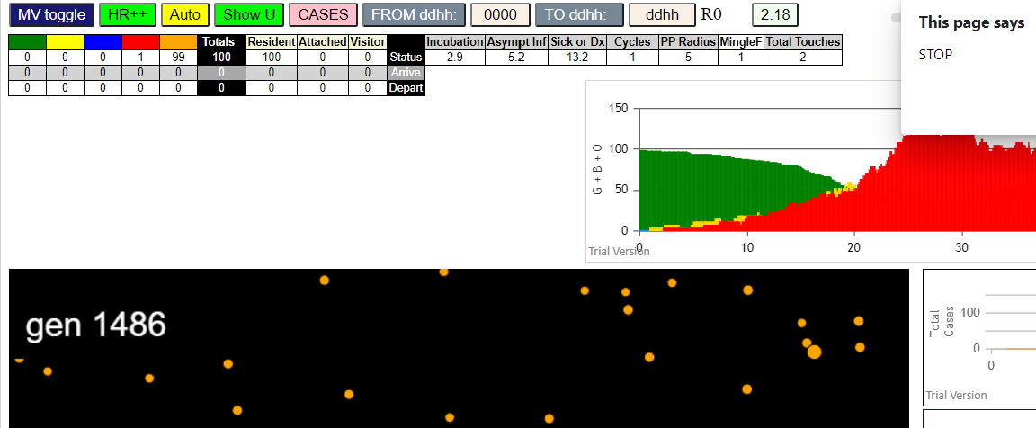
​ calc vs tableVL 3.777843780675888,3.87
​ calc vs tableVL 3.6207683628031595,3.87
​ calc vs tableVL 2.4236738745405457,3.87
​ calc vs tableVL 3.1931647183186587,3.87
​ calc vs tableVL 2.724241979137004,3.87
​ calc vs tableVL 3.440551740596251,3.87
​ calc vs tableVL 2.44612589517299,3.87
​ calc vs tableVL 2.644076156286887,3.87
​ calc vs tableVL 3.388839009378389,3.87
​ calc vs tableVL 3.760101833834886,3.87
​ calc vs tableVL 3.1898508599599924,3.87
​ calc vs tableVL 2.9752082550436905,3.87
​ calc vs tableVL 3.243482673898723,3.87
​ calc vs tableVL 2.6947038856231154,3.87
​ calc vs tableVL 3.308881789800802,3.87
​ calc vs tableVL 3.7202848006939067,3.87
​ calc vs tableVL 2.5087714708529067,3.87
​ calc vs tableVL 3.8320963940317387,3.87
​ calc vs tableVL 3.3952215674434902,3.87
​ calc vs tableVL 3.034221835570298,3.87
​ calc vs tableVL 3.046435905494914,3.87
​ calc vs tableVL 2.851387394177409,3.87
​ calc vs tableVL 3.6768737895983667,3.87
...

Sheet32
 | 7%

capital | interest | NPV | NPV
1 | 0.0700 | 15.2857 | 16.285714286
1.0700 | 0.0749 | 15.3557
1.1449 | 0.0801 | 15.4306
1.2250 | 0.0858 | 15.5108
1.3108 | 0.0918 | 15.5965
1.4026 | 0.0982 | 15.6883
 | 1.0000 | 0.0700 | 15.2857
 | 1.0700 | 0.0749 | 15.3557
 | 1.1449 | 0.0801 | 15.4306
 | 1.2250 | 0.0858 | 15.5108
 | 1.3108 | 0.0918 | 15.5965
 | 1.4026 | 0.0982 | 15.6883
 | 1.5007 | 0.1051 | 15.7864
 | 1.6058 | 0.1124 | 15.8915
 | 1.7182 | 0.1203 | 16.0039
 | 1.8385 | 0.1287 | 16.1242
 | 1.9672 | 0.1377 | 16.2529
 | 2.1049 | 0.1473 | 16.3906
 | 2.2522 | 0.1577 | 16.5379
 | 2.4098 | 0.1687 | 16.6956
 | 2.5785 | 0.1805 | 16.8642
 | 2.7590 | 0.1931 | 17.0447
 | 2.9522 | 0.2067 | 17.2379
 | 3.1588 | 0.2211 | 17.4445
 | 3.3799 | 0.2366 | 17.6656
 | 3.6165 | 0.2532 | 17.9022
 | 3.8697 | 0.2709 | 18.1554
 | 4.1406 | 0.2898 | 18.4263
 | 4.4304 | 0.3101 | 18.7161
 | 4.7405 | 0.3318 | 19.0262
 | 5.0724 | 0.3551 | 19.3581
 | 5.4274 | 0.3799 | 19.7131
 | 5.8074 | 0.4065 | 20.0931
 | 6.2139 | 0.4350 | 20.4996
 | 6.6488 | 0.4654 | 20.9346
 | 7.1143 | 0.4980 | 21.4000
 | 7.6123 | 0.5329 | 21.8980
 | 8.1451 | 0.5702 | 22.4308
 | 8.7153 | 0.6101 | 23.0010
 | 9.3253 | 0.6528 | 23.6111
 | 9.9781 | 0.6985 | 24.2638
 | 10.6766 | 0.7474 | 24.9623
 | 11.4239 | 0.7997 | 25.7097
 | 12.2236 | 0.8557 | 26.5093
 | 13.0793 | 0.9155 | 27.3650
 | 13.9948 | 0.9796 | 28.2805
 | 14.9745 | 1.0482 | 29.2602
 | 16.0227 | 1.1216 | 30.3084
 | 17.1443 | 1.2001 | 31.4300
 | 18.3444 | 1.2841 | 32.6301
 | 19.6285 | 1.3740 | 33.9142
 | 21.0025 | 1.4702 | 35.2882
 | 22.4726 | 1.5731 | 36.7583
 | 24.0457 | 1.6832 | 38.3314
 | 25.7289 | 1.8010 | 40.0146
 | 27.5299 | 1.9271 | 41.8156
...
1.5007 | 0.1051 | 15.7864
1.6058 | 0.1124 | 15.8915
1.7182 | 0.1203 | 16.0039
1.8385 | 0.1287 | 16.1242
1.9672 | 0.1377 | 16.2529
2.1049 | 0.1473 | 16.3906
2.2522 | 0.1577 | 16.5379
2.4098 | 0.1687 | 16.6956
2.5785 | 0.1805 | 16.8642
2.7590 | 0.1931 | 17.0447
2.9522 | 0.2067 | 17.2379
3.1588 | 0.2211 | 17.4445
3.3799 | 0.2366 | 17.6656
3.6165 | 0.2532 | 17.9022
3.8697 | 0.2709 | 18.1554
4.1406 | 0.2898 | 18.4263
4.4304 | 0.3101 | 18.7161
4.7405 | 0.3318 | 19.0262
5.0724 | 0.3551 | 19.3581
5.4274 | 0.3799 | 19.7131
5.8074 | 0.4065 | 20.0931
6.2139 | 0.4350 | 20.4996
6.6488 | 0.4654 | 20.9346
7.1143 | 0.4980 | 21.4000
7.6123 | 0.5329 | 21.8980
8.1451 | 0.5702 | 22.4308
8.7153 | 0.6101 | 23.0010
9.3253 | 0.6528 | 23.6111
 | capital | interest | NPV
 | 1.0000 | 0.0700 | 15.2857
 | 1.0700 | 0.0749 | 15.3557
 | 1.1449 | 0.0801 | 15.4306
 | 1.2250 | 0.0858 | 15.5108
 | 1.3108 | 0.0918 | 15.5965
 | 1.4026 | 0.0982 | 15.6883
 | 1.5007 | 0.1051 | 15.7864
 | 1.6058 | 0.1124 | 15.8915
 | 1.7182 | 0.1203 | 16.0039
 | 1.8385 | 0.1287 | 16.1242
 | 1.9672 | 0.1377 | 16.2529
 | 2.1049 | 0.1473 | 16.3906
 | 2.2522 | 0.1577 | 16.5379
 | 2.4098 | 0.1687 | 16.6956
 | 2.5785 | 0.1805 | 16.8642
 | 2.7590 | 0.1931 | 17.0447
 | 2.9522 | 0.2067 | 17.2379
 | 3.1588 | 0.2211 | 17.4445
 | 3.3799 | 0.2366 | 17.6656
 | 3.6165 | 0.2532 | 17.9022
 | 3.8697 | 0.2709 | 18.1554
 | 4.1406 | 0.2898 | 18.4263
 | 4.4304 | 0.3101 | 18.7161
 | 4.7405 | 0.3318 | 19.0262
 | 5.0724 | 0.3551 | 19.3581
 | 5.4274 | 0.3799 | 19.7131
 | 5.8074 | 0.4065 | 20.0931
 | 6.2139 | 0.4350 | 20.4996
 | 6.6488 | 0.4654 | 20.9346
 | 7.1143 | 0.4980 | 21.4000
 | 7.6123 | 0.5329 | 21.8980
 | 8.1451 | 0.5702 | 22.4308
 | 8.7153 | 0.6101 | 23.0010
 | 9.3253 | 0.6528 | 23.6111
 | 9.9781 | 0.6985 | 24.2638
 | 10.6766 | 0.7474 | 24.9623
 | 11.4239 | 0.7997 | 25.7097
 | 12.2236 | 0.8557 | 26.5093
 | 13.0793 | 0.9155 | 27.3650
 | 13.9948 | 0.9796 | 28.2805
 | 14.9745 | 1.0482 | 29.2602
 | 16.0227 | 1.1216 | 30.3084
 | 17.1443 | 1.2001 | 31.4300
 | 18.3444 | 1.2841 | 32.6301
 | 19.6285 | 1.3740 | 33.9142
 | 21.0025 | 1.4702 | 35.2882
 | 22.4726 | 1.5731 | 36.7583
 | 24.0457 | 1.6832 | 38.3314
 | 25.7289 | 1.8010 | 40.0146
 | 27.5299 | 1.9271 | 41.8156
...
9.9781 | 0.6985 | 24.2638
10.6766 | 0.7474 | 24.9623
11.4239 | 0.7997 | 25.7097
12.2236 | 0.8557 | 26.5093
13.0793 | 0.9155 | 27.3650
13.9948 | 0.9796 | 28.2805
14.9745 | 1.0482 | 29.2602
16.0227 | 1.1216 | 30.3084
17.1443 | 1.2001 | 31.4300
18.3444 | 1.2841 | 32.6301
19.6285 | 1.3740 | 33.9142
21.0025 | 1.4702 | 35.2882
22.4726 | 1.5731 | 36.7583
24.0457 | 1.6832 | 38.3314
25.7289 | 1.8010 | 40.0146
27.5299 | 1.9271 | 41.8156
29.4570 | 2.0620 | 43.7427
31.5190 | 2.2063 | 45.8047
33.7253 | 2.3608 | 48.0111
36.0861 | 2.5260 | 50.3718
38.6122 | 2.7029 | 52.8979
41.3150 | 2.8921 | 55.6007
44.2071 | 3.0945 | 58.4928
47.3015 | 3.3111 | 61.5873
50.6127 | 3.5429 | 64.8984
54.1555 | 3.7909 | 68.4413
...

